8010-25
Sample: |  | 8010-25 |  |  |  |  | Analyst: |  | vmackintosh

Rock Type: |  |  |  |  |  |  | Mineral: |  | Apatite
Longitude/Latitude: |  |  |  |  |  |  | Elevation (m):
Calibration X/Y (µm/px): |  |  | 0.0873/0.0873 |  |  |  | 238U Standard: |  | NIST612
Date analysed: |  |  | 23-Mar-2018 |  |  |  | Software: |  | FastTracks v3.0.13

No. | NS | Area (cm2) | ρS (cm-2) | 238U(ppm) | ± | 1σ | Dpar (µm) | Age (Ma) | ± | 1σ | Length (µm) | #
1 | 93 | 1.746E-05 | 5.326E+06 | 31.70 | ± | 2.50 | 1.38 ± 0.23 | 355.6 | ± | 46.3 | 0–1 | 0
2 | 143 | 1.435E-05 | 9.966E+06 | 42.90 | ± | 3.80 | 1.47 ± 0.23 | 486.7 | ± | 59.3 | 1–2 | 0
3 | 25 | 1.291E-05 | 1.937E+06 | 14.50 | ± | 1.60 | – | 284.3 | ± | 64.9 | 2–3 | 0
4 | 63 | 1.604E-05 | 3.927E+06 | 23.20 | ± | 2.30 | 1.45 ± 0.26 | 358.2 | ± | 57.4 | 3–4 | 0
5 | 160 | 1.930E-05 | 8.292E+06 | 51.10 | ± | 5.30 | 1.48 ± 0.29 | 343.8 | ± | 44.8 | 4–5 | 0
6 | 133 | 1.684E-05 | 7.899E+06 | 37.30 | ± | 3.80 | 1.38 ± 0.20 | 445.1 | ± | 59.5 | 5–6 | 0
7 | 96 | 9.340E-06 | 1.028E+07 | 57.90 | ± | 4.20 | 1.57 ± 0.25 | 375.2 | ± | 47.0 | 6–7 | 0
8 | 167 | 2.548E-05 | 6.554E+06 | 38.60 | ± | 2.40 | 1.26 ± 0.13 | 359.3 | ± | 35.7 | 7–8 | 0
9 | 126 | 2.536E-05 | 4.969E+06 | 31.00 | ± | 2.80 | 1.35 ± 0.18 | 339.7 | ± | 43.1 | 8–9 | 1
10 | 98 | 1.401E-05 | 6.994E+06 | 32.30 | ± | 3.90 | 1.41 ± 0.23 | 454.8 | ± | 71.6 | 9–10 | 1
11 | 129 | 2.304E-05 | 5.598E+06 | 30.60 | ± | 2.00 | 1.38 ± 0.25 | 386.3 | ± | 42.4 | 10–11 | 0
12 | 199 | 3.496E-05 | 5.693E+06 | 26.50 | ± | 2.10 | 1.47 ± 0.26 | 451.3 | ± | 48.0 | 11–12 | 13
13 | 81 | 6.724E-06 | 1.205E+07 | 70.30 | ± | 6.40 | 1.59 ± 0.31 | 362.6 | ± | 52.1 | 12–13 | 21
14 | 57 | 1.314E-05 | 4.338E+06 | 27.00 | ± | 2.20 | – | 340.5 | ± | 52.9 | 13–14 | 41
15 | 104 | 9.633E-06 | 1.080E+07 | 60.30 | ± | 5.20 | 1.42 ± 0.27 | 378.4 | ± | 49.4 | 14–15 | 12
16 | 55 | 1.225E-05 | 4.490E+06 | 21.70 | ± | 2.30 | 1.35 ± 0.35 | 435.2 | ± | 74.6 | 15–16 | 4
17 | 99 | 1.002E-05 | 9.883E+06 | 56.60 | ± | 4.50 | 1.44 ± 0.18 | 369.2 | ± | 47.3 | 16–17 | 0
18 | 36 | 1.430E-05 | 2.518E+06 | 17.20 | ± | 1.90 | 1.43 | 311.0 | ± | 62.2 | 17–18 | 0
19 | 123 | 2.116E-05 | 5.812E+06 | 28.80 | ± | 3.00 | 1.44 ± 0.24 | 424.8 | ± | 58.5 | 18–19 | 0
 | 1987 | 3.163E-04 | 6.701E+06 | 36.82 | ± | 15.7a | 1.43 ± 0.08a |  |  |  | 19–20 | 0
a Standard deviation of mean |  |  |  |  |  |  |  |  |  |  | MTL = 13.13
 |  |  |  |  |  |  |  |  |  |  | Var = 0.12
 |  |  |  |  |  |  |  |  |  |  | SD = 1.15
 |  |  |  |  |  | Pooled Age = |  | 387.3 | ± | 11.8 Ma | No. = 93
 |  |  |  |  |  | Central Age = |  | 385.4 | ± | 11.8 Ma

 | 0
 | 0
 | 0
 | 0
 | 0
 | 0
 | 0
 | 0
 | 1
 | 1
 | 0
 | 13
 | 21
 | 41
 | 12
 | 4
 | 0
 | 0
 | 0
 | 0
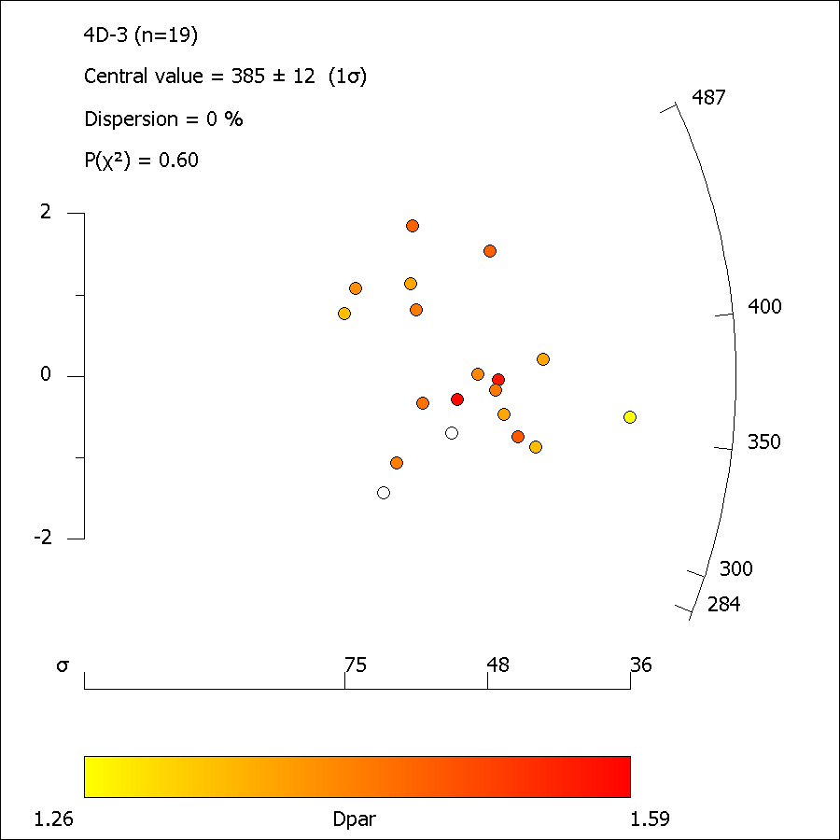

8010_25_ft_length.xml
FastTracks: v3.0.13
Pixel Calibration X: | 0.087301587302

Length ID | Lapp (µm) | dz (µm) | LTrue (µm) | Azimuth | Dip | Angle to c-axis | Average Dpar (µm)
Length01-1 | 12.59 | 0.49 | 12.60 | 86.82 | 2.23 | 86.82 | 1.67
Length01b-1 | 13.26 | 0.98 | 13.29 | 43.94 | 4.23 | 44.10 | 1.67
Length01c-1 | 8.20 | 0.00 | 8.20 | 59.69 | 0.00 | 59.69 | 1.67
Length02-1 | 13.17 | 3.93 | 13.74 | 65.33 | 16.60 | 66.42 | 1.48
Length02b-1 | 12.69 | 0.00 | 12.69 | 71.31 | 0.00 | 71.31 | 1.48
Length02c-1 | 13.86 | 0.00 | 13.86 | 33.49 | 0.00 | 33.49 | 1.48
Length03-1 | 11.68 | 0.00 | 11.68 | 59.33 | 0.00 | 59.33 | 1.60
Length03b-1 | 12.35 | 0.00 | 12.35 | 82.23 | 0.00 | 82.23 | 1.60
Length03c-1 | 12.65 | 0.00 | 12.65 | 88.91 | 0.00 | 88.91 | 1.60
Length03d-1 | 12.91 | 4.42 | 13.65 | 71.70 | 18.88 | 72.72 | 1.60
Length03e-1 | 15.18 | 0.00 | 15.18 | 76.25 | 0.00 | 76.25 | 1.60
Length04-1 | 13.46 | 0.00 | 13.46 | 80.81 | 0.00 | 80.81 | 1.57
Length05-1 | 13.87 | 0.98 | 13.91 | 41.71 | 4.05 | 41.87 | 1.92
Length06-1 | 13.83 | 0.98 | 13.87 | 55.24 | 4.06 | 55.34 | 1.46
Length06c-1 | 14.32 | 0.00 | 14.32 | 73.12 | 0.00 | 73.12 | 1.46
Length06d-1 | 11.56 | 0.00 | 11.56 | 52.50 | 0.00 | 52.50 | 1.46
Length06e-1 | 12.52 | 2.94 | 12.86 | 83.60 | 13.24 | 83.77 | 1.46
Length07-1 | 12.49 | 0.98 | 12.53 | 77.21 | 4.49 | 77.25 | 1.68
Length08-1 | 14.51 | 0.98 | 14.54 | 33.96 | 3.87 | 34.16 | 1.78
Length09-1 | 14.34 | 0.00 | 14.34 | 47.96 | 0.00 | 47.96 | 1.55
Length10-1 | 12.62 | 0.49 | 12.63 | 76.33 | 2.23 | 76.34 | 1.59
Length10b-1 | 13.97 | 0.00 | 13.97 | 65.73 | 0.00 | 65.73 | 1.59
Length10c-1 | 12.21 | 3.44 | 12.68 | 67.24 | 15.72 | 68.13 | 1.59
Length11-1 | 12.91 | 2.45 | 13.14 | 49.79 | 10.76 | 50.64 | 1.79
Length12c-1 | 15.07 | 0.98 | 15.10 | 45.53 | 3.73 | 45.65 | 1.41
Length13-1 | 14.14 | 0.98 | 14.17 | 37.22 | 3.97 | 37.40 | 1.53
Length13b-1 | 12.76 | 0.49 | 12.77 | 2.47 | 2.20 | 3.31 | 1.53
Length13c-1 | 14.09 | 0.98 | 14.12 | 41.36 | 3.99 | 41.52 | 1.53
Length13d-1 | 13.33 | 0.00 | 13.33 | 70.70 | 0.00 | 70.70 | 1.53
Length14b-1 | 12.30 | 0.98 | 12.34 | 61.25 | 4.56 | 61.35 | 1.33
Length15-1 | 13.44 | 1.96 | 13.59 | 62.43 | 8.31 | 62.74 | 1.72
Length15b-1 | 12.75 | 1.96 | 12.90 | 69.49 | 8.76 | 69.74 | 1.72
Length15c-1 | 12.74 | 0.49 | 12.75 | 51.34 | 2.21 | 51.37 | 1.72
Length16-1 | 15.66 | 0.00 | 15.66 | 17.87 | 0.00 | 17.87 | 1.82
Length17-1 | 12.48 | 0.49 | 12.48 | 64.88 | 2.25 | 64.90 | 1.58
Length17b-1 | 13.28 | 0.98 | 13.31 | 58.52 | 4.23 | 58.61 | 1.58
Length17d-1 | 12.55 | 1.47 | 12.64 | 71.95 | 6.69 | 72.07 | 1.58
Length17e-1 | 13.24 | 0.00 | 13.24 | 54.59 | 0.00 | 54.59 | 1.58
Length18-1 | 13.62 | 1.47 | 13.70 | 55.36 | 6.17 | 55.58 | 1.85
Length19-1 | 12.86 | 3.44 | 13.31 | 67.14 | 14.96 | 67.96 | 1.26
Length20-1 | 13.00 | 0.00 | 13.00 | 68.08 | 0.00 | 68.08 | 1.35
Length20b-1 | 12.68 | 2.45 | 12.91 | 54.46 | 10.96 | 55.20 | 1.35
Length21-1 | 9.57 | 0.49 | 9.59 | 57.67 | 2.93 | 57.72 | 1.45
Length22-1 | 13.12 | 0.98 | 13.15 | 77.65 | 4.28 | 77.69 | 1.26
Length23-1 | 13.43 | 1.96 | 13.58 | 67.03 | 8.31 | 67.29 | 1.54
Length24-1 | 13.03 | 0.00 | 13.03 | 72.35 | 0.00 | 72.35 | 1.37
Length25-1 | 13.74 | 0.98 | 13.78 | 48.64 | 4.09 | 48.77 | 1.82
Length25b-1 | 14.53 | 0.00 | 14.53 | 49.12 | 0.00 | 49.12 | 1.82
Length25c-1 | 13.28 | 0.98 | 13.31 | 73.20 | 4.23 | 73.25 | 1.82
Length26-1 | 13.66 | 0.98 | 13.69 | 74.80 | 4.11 | 74.84 | 1.58
Length26b-1 | 11.92 | 0.49 | 11.93 | 78.06 | 2.36 | 78.07 | 1.58
Length27-1 | 11.94 | 0.98 | 11.98 | 67.34 | 4.70 | 67.42 | 1.64
Length27b-1 | 12.71 | 2.94 | 13.05 | 47.12 | 13.04 | 48.48 | 1.64
Length28-1 | 11.03 | 1.47 | 11.12 | 70.03 | 7.61 | 70.21 | 1.48
Length29-1 | 11.49 | 0.49 | 11.50 | 70.94 | 2.45 | 70.96 | 1.64
Length30-1 | 13.77 | 0.98 | 13.80 | 49.95 | 4.08 | 50.07 | 1.72
Length30b-1 | 11.32 | 1.47 | 11.41 | 39.57 | 7.41 | 40.14 | 1.72
Length30c-1 | 11.69 | 1.47 | 11.78 | 72.66 | 7.18 | 72.80 | 1.72
Length31-1 | 13.51 | 0.49 | 13.52 | 48.37 | 2.08 | 48.40 | 1.53
Length32-1 | 14.34 | 0.00 | 14.34 | 58.30 | 0.00 | 58.30 | 1.56
Length32b-1 | 13.20 | 0.98 | 13.24 | 81.15 | 4.25 | 81.18 | 1.56
Length33-1 | 12.69 | 0.00 | 12.69 | 76.04 | 0.00 | 76.04 | 1.66
Length34-1 | 15.28 | 0.00 | 15.28 | 48.63 | 0.00 | 48.63 | 1.63
Length34b-1 | 13.18 | 2.45 | 13.41 | 60.45 | 10.55 | 61.00 | 1.63
Length34c-1 | 13.92 | 1.47 | 13.99 | 52.94 | 6.04 | 53.18 | 1.63
Length34d-1 | 14.15 | 2.45 | 14.36 | 37.43 | 9.84 | 38.51 | 1.63
Length34e-1 | 13.87 | 0.00 | 13.87 | 38.34 | 0.00 | 38.34 | 1.63
Length35-1 | 11.45 | 2.45 | 11.71 | 21.48 | 12.10 | 0.00
Length36-1 | 12.92 | 1.47 | 13.00 | 48.85 | 6.50 | 49.17 | 1.66
Length38-1 | 13.93 | 0.49 | 13.94 | 53.90 | 2.02 | 53.93 | 1.54
Length38b-1 | 14.81 | 0.00 | 14.81 | 71.73 | 0.00 | 71.73 | 1.54
Length39-1 | 13.72 | 0.00 | 13.72 | 51.68 | 0.00 | 51.68 | 1.48
Length40-1 | 14.27 | 0.98 | 14.31 | 50.97 | 3.93 | 51.08 | 1.82
Length41-1 | 14.26 | 0.98 | 14.29 | 78.17 | 3.94 | 78.20 | 1.73
Length41b-1 | 13.42 | 0.00 | 13.42 | 27.17 | 0.00 | 27.17 | 1.73
Length41c-1 | 12.14 | 0.00 | 12.14 | 80.29 | 0.00 | 80.29 | 1.73
Length41d-1 | 12.03 | 0.98 | 12.07 | 43.98 | 4.67 | 44.18 | 1.73
Length41e-1 | 14.46 | 0.49 | 14.47 | 58.66 | 1.94 | 58.68 | 1.73
Length42-1 | 11.89 | 0.00 | 11.89 | 75.18 | 0.00 | 75.18 | 1.52
Length42b-1 | 11.29 | 2.94 | 11.67 | 60.19 | 14.62 | 61.25 | 1.52
Length43-1 | 13.35 | 0.00 | 13.35 | 40.23 | 0.00 | 40.23 | 1.49
Length43b-1 | 12.65 | 0.00 | 12.65 | 65.56 | 0.00 | 65.56 | 1.49
Length44-1 | 13.23 | 1.47 | 13.31 | 54.90 | 6.35 | 55.15 | 1.53
Length44b-1 | 11.24 | 0.49 | 11.25 | 69.15 | 2.50 | 69.17 | 1.53
Length44c-1 | 11.68 | 0.00 | 11.68 | 67.07 | 0.00 | 67.07 | 1.53
Length45-1 | 13.40 | 0.00 | 13.40 | 60.44 | 0.00 | 60.44 | 1.48
Length46-1 | 13.49 | 0.98 | 13.52 | 22.02 | 4.16 | 22.39 | 1.59
Length46b-1 | 13.33 | 0.49 | 13.33 | 71.90 | 2.11 | 71.91 | 1.59
Length46c-1 | 13.31 | 3.44 | 13.75 | 76.95 | 14.47 | 77.37 | 1.59
Length47-1 | 12.68 | 2.45 | 12.92 | 65.44 | 10.95 | 65.92 | 1.40
Length48-1 | 13.88 | 0.49 | 13.89 | 48.07 | 2.02 | 48.10 | 1.66
Length48b-1 | 12.16 | 2.94 | 12.51 | 72.13 | 13.61 | 72.65 | 1.66
Length49-1 | 13.09 | 1.47 | 13.17 | 51.24 | 6.42 | 51.53 | 1.48

7315-18
Sample: |  | 7315-18 |  |  |  |  | Analyst: |  | vmackintosh

Rock Type: |  |  |  |  |  |  | Mineral: |  | Apatite
Longitude/Latitude: |  |  |  |  |  |  | Elevation (m):
Calibration X/Y (µm/px): |  |  | 0.0873/0.0873 |  |  |  | 238U Standard: |  | NIST 612
Date analysed: |  |  | 27-Mar-2018 |  |  |  | Software: |  | FastTracks v3.0.13

No. | NS | Area (cm2) | ρS (cm-2) | 238U(ppm) | ± | 1σ | Dpar (µm) | Age (Ma) | ± | 1σ | Length (µm) | #
1 | 143 | 4.733E-05 | 3.021E+06 | 20.80 | ± | 1.40 | 1.50 ± 0.33 | 308.6 | ± | 33.1 | 0–1 | 0
2 | 84 | 1.690E-05 | 4.971E+06 | 27.40 | ± | 2.60 | 1.69 ± 0.22 | 383.2 | ± | 55.4 | 1–2 | 0
3 | 113 | 3.375E-05 | 3.348E+06 | 20.30 | ± | 1.60 | 1.57 ± 0.25 | 349.3 | ± | 42.9 | 2–3 | 0
4 | 65 | 1.275E-05 | 5.098E+06 | 35.70 | ± | 2.40 | 1.67 ± 0.29 | 303.5 | ± | 42.8 | 3–4 | 0
5 | 229 | 5.245E-05 | 4.366E+06 | 28.80 | ± | 2.00 | 1.63 ± 0.22 | 321.7 | ± | 30.8 | 4–5 | 0
6 | 45 | 1.486E-05 | 3.029E+06 | 24.10 | ± | 1.80 | 1.58 ± 0.28 | 267.9 | ± | 44.7 | 5–6 | 0
7 | 72 | 1.046E-05 | 6.886E+06 | 33.80 | ± | 2.90 | 1.62 ± 0.22 | 428.8 | ± | 62.5 | 6–7 | 0
8 | 41 | 2.018E-05 | 2.031E+06 | 25.70 | ± | 2.70 | 1.42 ± 0.09 | 169.7 | ± | 31.9 | 7–8 | 0
9 | 63 | 1.575E-05 | 4.001E+06 | 22.40 | ± | 1.90 | 1.64 ± 0.17 | 377.4 | ± | 57.3 | 8–9 | 0
10 | 63 | 1.268E-05 | 4.968E+06 | 22.20 | ± | 2.10 | 1.50 ± 0.19 | 469.5 | ± | 74.0 | 9–10 | 2
11 | 89 | 1.561E-05 | 5.703E+06 | 45.40 | ± | 4.90 | 1.81 ± 0.15 | 267.7 | ± | 40.5 | 10–11 | 2
12 | 60 | 1.719E-05 | 3.490E+06 | 34.70 | ± | 3.00 | 1.41 ± 0.23 | 215.2 | ± | 33.4 | 11–12 | 7
13 | 114 | 3.081E-05 | 3.701E+06 | 25.00 | ± | 2.60 | 1.67 ± 0.17 | 314.4 | ± | 44.0 | 12–13 | 26
14 | 117 | 3.539E-05 | 3.306E+06 | 23.20 | ± | 2.20 | 1.58 ± 0.28 | 302.9 | ± | 40.1 | 13–14 | 37
15 | 237 | 3.226E-05 | 7.347E+06 | 40.50 | ± | 3.20 | 1.62 ± 0.25 | 383.2 | ± | 39.2 | 14–15 | 20
16 | 112 | 3.144E-05 | 3.562E+06 | 36.00 | ± | 2.40 | 1.51 ± 0.28 | 211.8 | ± | 24.5 | 15–16 | 3
17 | 117 | 2.742E-05 | 4.268E+06 | 18.20 | ± | 1.10 | 1.72 ± 0.20 | 491.1 | ± | 54.2 | 16–17 | 0
18 | 90 | 4.447E-05 | 2.024E+06 | 10.81 | ± | 0.93 | 1.58 ± 0.27 | 395.1 | ± | 53.8 | 17–18 | 0
19 | 25 | 1.020E-05 | 2.452E+06 | 12.70 | ± | 1.10 | 1.52 ± 0.22 | 407.0 | ± | 88.7 | 18–19 | 0
20 | 132 | 1.889E-05 | 6.988E+06 | 41.50 | ± | 2.20 | 1.57 ± 0.25 | 356.4 | ± | 36.3 | 19–20 | 0
21 | 158 | 2.416E-05 | 6.539E+06 | 51.30 | ± | 2.90 | 1.70 ± 0.22 | 271.6 | ± | 26.5 | MTL = 13.21
 | 2169 | 5.249E-04 | 4.338E+06 | 28.60 | ± | 10.57a | 1.60 ± 0.10a |  |  |  | Var = 0.11
a Standard deviation of mean |  |  |  |  |  |  |  |  |  |  | SD = 1.12
 |  |  |  |  |  |  |  |  |  |  | No. = 97

 |  |  |  |  |  | Pooled Age = |  | 319.1 | ± | 18.0 Ma
 |  |  |  |  |  | Central Age = |  | 323.8 | ± | 17.6 Ma

 | 0
 | 0
 | 0
 | 0
 | 0
 | 0
 | 0
 | 0
 | 0
 | 2
 | 2
 | 7
 | 26
 | 37
 | 20
 | 3
 | 0
 | 0
 | 0
 | 0
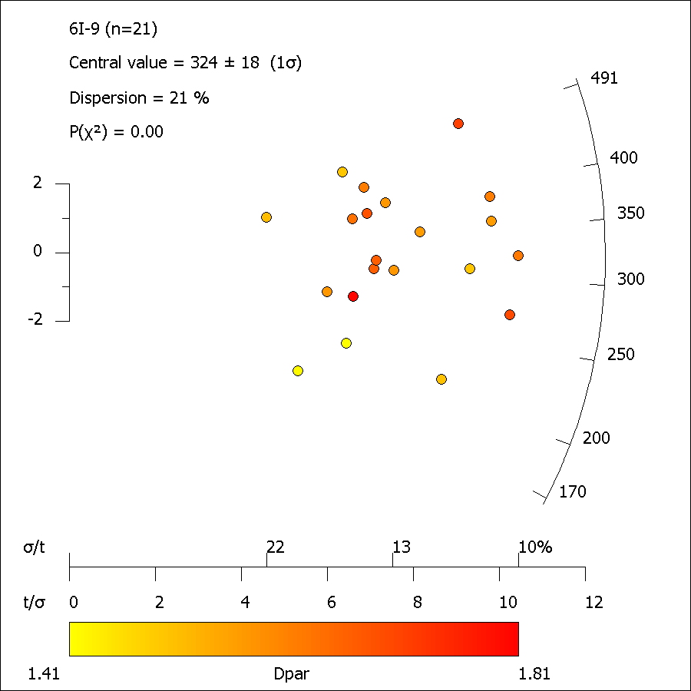

7315-18_ft_length.xml
FastTracks: v3.0.13
Pixel Calibration X: | 0.087301587302

Length ID | Lapp (µm) | dz (µm) | LTrue (µm) | Azimuth | Dip | Angle to c-axis | Average Dpar (µm)
Length01-1 | 13.52 | 1.47 | 13.60 | 83.20 | 6.22 | 83.24 | 2.13
Length02-1 | 14.66 | 0.00 | 14.66 | 49.76 | 0.00 | 49.76 | 1.82
Length03-1 | 11.98 | 4.42 | 12.77 | 69.62 | 20.24 | 70.93 | 1.54
Length04-1 | 12.96 | 2.45 | 13.19 | 36.65 | 10.73 | 37.98 | 1.72
Length05-1 | 14.21 | 1.47 | 14.29 | 68.49 | 5.91 | 68.61 | 1.98
Length05b-1 | 14.34 | 0.00 | 14.34 | 71.39 | 0.00 | 71.39 | 1.98
Length06-1 | 14.28 | 0.98 | 14.31 | 76.04 | 3.93 | 76.07 | 1.84
Length07-1 | 13.45 | 0.98 | 13.49 | 54.73 | 4.17 | 54.84 | 1.88
Length07b-1 | 14.38 | 0.00 | 14.38 | 47.11 | 0.00 | 47.11 | 1.88
Length07c-1 | 11.68 | 3.44 | 12.18 | 47.13 | 16.39 | 49.25 | 1.88
Length07d-1 | 14.20 | 2.94 | 14.50 | 63.28 | 11.72 | 63.88 | 1.88
Length08-1 | 13.48 | 0.00 | 13.48 | 68.27 | 0.00 | 68.27 | 1.76
Length08b-1 | 13.72 | 0.00 | 13.72 | 59.75 | 0.00 | 59.75 | 1.76
Length08c-1 | 10.92 | 0.49 | 10.93 | 76.51 | 2.57 | 76.52 | 1.76
Length09-1 | 13.86 | 3.44 | 14.28 | 46.43 | 13.92 | 48.01 | 1.80
Length10-1 | 13.30 | 0.98 | 13.34 | 73.58 | 4.22 | 73.63 | 1.71
Length10b-1 | 11.13 | 0.98 | 11.17 | 80.75 | 5.04 | 80.79 | 1.71
Length10c-1 | 12.42 | 0.00 | 12.42 | 71.83 | 0.00 | 71.83 | 1.71
Length11-1 | 13.31 | 0.98 | 13.34 | 17.96 | 4.22 | 0.00
Length12-1 | 14.36 | 0.00 | 14.36 | 63.95 | 0.00 | 63.95 | 1.67
Length12b-1 | 13.87 | 1.96 | 14.01 | 37.67 | 8.06 | 38.40 | 1.67
Length13-1 | 13.42 | 0.00 | 13.42 | 85.51 | 0.00 | 85.51 | 1.99
Length14-1 | 14.66 | 0.00 | 14.66 | 60.87 | 0.00 | 60.87 | 1.85
Length15-1 | 13.36 | 0.98 | 13.40 | 21.04 | 4.20 | 21.44 | 1.60
Length16-1 | 13.75 | 2.45 | 13.97 | 70.87 | 10.12 | 71.18 | 1.75
Length17-1 | 12.85 | 0.49 | 12.85 | 76.93 | 2.19 | 76.94 | 2.05
Length18-1 | 11.84 | 4.42 | 12.64 | 50.39 | 20.45 | 53.32 | 1.57
Length19-1 | 14.10 | 0.00 | 14.10 | 33.85 | 0.00 | 33.85 | 1.58
Length20-1 | 12.34 | 0.98 | 12.38 | 78.79 | 4.55 | 78.83 | 1.93
Length21-1 | 13.81 | 0.49 | 13.82 | 21.38 | 2.03 | 21.47 | 1.93
Length22-1 | 12.33 | 0.49 | 12.34 | 70.39 | 2.28 | 70.41 | 1.94
Length23-1 | 13.91 | 0.00 | 13.91 | 59.00 | 0.00 | 59.00 | 1.77
Length24-1 | 9.83 | 0.49 | 9.84 | 50.57 | 2.86 | 50.63 | 1.69
Length24b-1 | 12.53 | 0.49 | 12.54 | 36.47 | 2.24 | 36.53 | 1.69
Length24c-1 | 11.21 | 1.47 | 11.31 | 82.07 | 7.48 | 82.14 | 1.69
Length25-1 | 14.54 | 2.45 | 14.75 | 34.52 | 9.58 | 35.67 | 1.90
Length25b-1 | 12.59 | 2.45 | 12.83 | 63.94 | 11.03 | 64.45 | 1.90
Length25c-1 | 13.57 | 2.94 | 13.88 | 63.70 | 12.25 | 64.34 | 1.90
Length26-1 | 11.96 | 2.45 | 12.21 | 61.07 | 11.59 | 61.71 | 2.02
Length27-1 | 12.98 | 1.96 | 13.13 | 85.22 | 8.60 | 85.28 | 1.62
Length27b-1 | 11.98 | 0.49 | 11.99 | 43.99 | 2.35 | 44.04 | 1.62
Length28-1 | 13.46 | 0.98 | 13.50 | 77.95 | 4.17 | 77.99 | 1.87
Length29-1 | 12.12 | 0.49 | 12.13 | 82.59 | 2.32 | 82.60 | 1.68
Length30-1 | 11.21 | 0.98 | 11.25 | 68.64 | 5.00 | 68.73 | 1.96
Length31-1 | 13.95 | 0.00 | 13.95 | 63.85 | 0.00 | 63.85 | 1.94
Length31b-1 | 11.77 | 2.45 | 12.03 | 81.24 | 11.77 | 81.43 | 1.94
Length31c-1 | 15.59 | 1.96 | 15.72 | 27.08 | 7.18 | 27.95 | 1.94
Length32-1 | 11.04 | 0.00 | 11.04 | 82.11 | 0.00 | 82.11 | 1.96
Length33-1 | 13.44 | 0.49 | 13.45 | 26.37 | 2.09 | 26.45 | 2.01
Length34-1 | 13.48 | 0.98 | 13.52 | 61.19 | 4.17 | 61.28 | 1.70
Length34b-1 | 13.79 | 0.49 | 13.80 | 66.49 | 2.04 | 66.51 | 1.70
Length34c-1 | 14.02 | 1.47 | 14.09 | 47.21 | 6.00 | 47.49 | 1.70
Length35-1 | 14.44 | 2.94 | 14.74 | 10.43 | 11.53 | 15.50 | 1.93
Length36-1 | 14.29 | 3.93 | 14.82 | 72.82 | 15.36 | 73.45 | 1.75
Length37-1 | 13.11 | 3.44 | 13.56 | 65.84 | 14.68 | 66.68 | 1.77
Length38-1 | 13.91 | 0.00 | 13.91 | 51.95 | 0.00 | 51.95 | 1.78
Length39b-1 | 14.49 | 0.00 | 14.49 | 34.80 | 0.00 | 34.80 | 1.84
Length40-1 | 13.06 | 2.45 | 13.29 | 62.62 | 10.64 | 63.13 | 1.67
Length40b-1 | 12.22 | 2.45 | 12.46 | 83.97 | 11.36 | 84.09 | 1.67
Length41-1 | 12.38 | 1.96 | 12.54 | 76.97 | 9.01 | 77.13 | 1.99
Length42-1 | 11.84 | 1.96 | 12.00 | 72.56 | 9.41 | 72.80 | 1.58
Length43-1 | 12.23 | 0.00 | 12.23 | 81.20 | 0.00 | 81.20 | 2.14
Length43b-1 | 12.92 | 0.00 | 12.92 | 47.84 | 0.00 | 47.84 | 2.14
Length44-1 | 13.28 | 0.98 | 13.31 | 57.79 | 4.23 | 57.89 | 1.84
Length45-1 | 10.78 | 1.96 | 10.95 | 78.39 | 10.33 | 78.58 | 1.74
Length45b-1 | 12.74 | 0.00 | 12.74 | 67.51 | 0.00 | 67.51 | 1.74
Length45c-1 | 12.85 | 1.47 | 12.93 | 75.99 | 6.54 | 76.09 | 1.74
Length46-1 | 11.69 | 1.96 | 11.86 | 56.64 | 9.53 | 57.16 | 1.82
Length47-1 | 12.71 | 0.98 | 12.75 | 33.45 | 4.42 | 33.71 | 1.76
Length47b-1 | 13.53 | 2.45 | 13.75 | 60.56 | 10.28 | 61.08 | 1.76
Length48-1 | 12.58 | 1.47 | 12.67 | 18.52 | 6.68 | 19.64 | 1.76
Length48c-1 | 12.77 | 2.94 | 13.10 | 81.71 | 12.99 | 81.92 | 1.76
Length48d-1 | 13.25 | 1.47 | 13.33 | 62.57 | 6.34 | 62.75 | 1.76
Length48e-1 | 12.62 | 0.00 | 12.62 | 37.63 | 0.00 | 37.63 | 1.76
Length48f-1 | 13.69 | 1.47 | 13.77 | 57.10 | 6.14 | 57.31 | 1.76
Length48g-1 | 14.11 | 2.94 | 14.41 | 74.79 | 11.79 | 75.12 | 1.76
Length49-1 | 13.49 | 1.96 | 13.63 | 54.19 | 8.28 | 54.62 | 1.63
Length50b-1 | 12.76 | 2.94 | 13.10 | 71.71 | 12.99 | 72.19 | 1.86
Length50d-1 | 13.17 | 1.96 | 13.31 | 75.48 | 8.48 | 75.64 | 1.86
Length50e-1 | 13.42 | 2.94 | 13.74 | 20.51 | 12.38 | 23.82 | 1.86
Length50f-1 | 12.59 | 1.96 | 12.75 | 58.86 | 8.86 | 59.27 | 1.86
Length50g-1 | 15.03 | 0.49 | 15.04 | 23.45 | 1.87 | 23.52 | 1.86
Length50h-1 | 12.14 | 0.00 | 12.14 | 44.40 | 0.00 | 44.40 | 1.86
Length51-1 | 14.06 | 1.96 | 14.19 | 32.43 | 7.95 | 33.28 | 1.43
Length52-1 | 15.05 | 0.49 | 15.06 | 58.17 | 1.87 | 58.19 | 1.85
Length53-1 | 9.36 | 2.94 | 9.81 | 73.06 | 17.47 | 73.87 | 1.81
Length53b-1 | 12.06 | 0.00 | 12.06 | 68.79 | 0.00 | 68.79 | 1.81
Length53c-1 | 12.79 | 2.94 | 13.12 | 56.79 | 12.97 | 57.74 | 1.81
Length54-1 | 14.29 | 3.93 | 14.82 | 10.36 | 15.36 | 18.46 | 1.81
Length54b-1 | 14.45 | 0.49 | 14.46 | 50.21 | 1.95 | 50.24 | 1.81
Length55-1 | 11.42 | 2.45 | 11.69 | 70.68 | 12.12 | 71.13 | 2.16
Length56-1 | 13.19 | 0.49 | 13.20 | 47.55 | 2.13 | 47.58 | 1.88
Length56b-1 | 12.84 | 3.93 | 13.43 | 49.52 | 17.00 | 51.62 | 1.88
Length56c-1 | 12.40 | 0.98 | 12.44 | 55.06 | 4.52 | 55.18 | 1.88
Length56d-1 | 13.27 | 1.47 | 13.35 | 66.93 | 6.33 | 67.08 | 1.88
Length57-1 | 13.62 | 0.49 | 13.63 | 23.99 | 2.06 | 24.07 | 1.78
Length57b-1 | 13.74 | 0.00 | 13.74 | 66.73 | 0.00 | 66.73 | 1.78

7315-41
Sample: |  | 7315-41 |  |  |  |  | Analyst: |  | vmackintosh

Rock Type: |  |  |  |  |  |  | Mineral: |  | Apatite
Longitude/Latitude: |  |  |  |  |  |  | Elevation (m):
Calibration X/Y (µm/px): |  |  | 0.0873/0.0873 |  |  |  | 238U Standard: |  | NIST612
Date analysed: |  |  | 27-Mar-2018 |  |  |  | Software: |  | FastTracks v3.0.13

No. | NS | Area (cm2) | ρS (cm-2) | 238U(ppm) | ± | 1σ | Dpar (µm) | Age (Ma) | ± | 1σ | Length (µm) | #
1 | 126 | 2.545E-05 | 4.951E+06 | 34.50 | ± | 2.40 | 1.61 ± 0.22 | 305.0 | ± | 34.5 | 0–1 | 0
2 | 164 | 3.565E-05 | 4.601E+06 | 34.00 | ± | 4.20 | 1.54 ± 0.18 | 288.0 | ± | 42.1 | 1–2 | 0
3 | 196 | 2.013E-05 | 9.734E+06 | 49.10 | ± | 4.90 | 1.70 ± 0.21 | 417.6 | ± | 51.2 | 2–3 | 0
4 | 56 | 2.359E-05 | 2.374E+06 | 14.00 | ± | 1.40 | 1.36 ± 0.19 | 358.8 | ± | 59.9 | 3–4 | 0
5 | 118 | 1.911E-05 | 6.176E+06 | 32.50 | ± | 2.20 | 1.58 ± 0.21 | 400.8 | ± | 45.8 | 4–5 | 0
6 | 69 | 4.141E-05 | 1.666E+06 | 9.70 | ± | 1.00 | 1.50 ± 0.24 | 363.3 | ± | 57.6 | 5–6 | 0
7 | 119 | 2.568E-05 | 4.634E+06 | 28.00 | ± | 2.30 | 1.65 ± 0.17 | 350.5 | ± | 43.1 | 6–7 | 0
8 | 137 | 3.791E-05 | 3.614E+06 | 24.50 | ± | 2.00 | 1.58 ± 0.19 | 313.3 | ± | 37.0 | 7–8 | 0
9 | 205 | 2.334E-05 | 8.783E+06 | 44.70 | ± | 2.90 | 1.68 ± 0.23 | 414.0 | ± | 39.5 | 8–9 | 0
10 | 110 | 1.472E-05 | 7.475E+06 | 49.60 | ± | 4.60 | 1.54 ± 0.16 | 319.9 | ± | 42.5 | 9–10 | 0
11 | 213 | 2.087E-05 | 1.021E+07 | 36.70 | ± | 4.60 | 1.60 ± 0.25 | 578.6 | ± | 82.7 | 10–11 | 2
12 | 190 | 1.803E-05 | 1.054E+07 | 49.30 | ± | 4.20 | 1.71 ± 0.14 | 449.2 | ± | 50.3 | 11–12 | 10
13 | 135 | 1.078E-05 | 1.253E+07 | 65.00 | ± | 3.70 | 1.68 ± 0.24 | 406.4 | ± | 41.9 | 12–13 | 21
14 | 103 | 2.782E-05 | 3.702E+06 | 16.20 | ± | 1.90 | 1.45 ± 0.19 | 479.0 | ± | 73.4 | 13–14 | 29
15 | 187 | 3.710E-05 | 5.040E+06 | 41.70 | ± | 3.20 | 1.65 ± 0.20 | 257.8 | ± | 27.3 | 14–15 | 19
16 | 162 | 4.347E-05 | 3.727E+06 | 19.20 | ± | 1.90 | 1.51 ± 0.22 | 409.2 | ± | 51.7 | 15–16 | 3
17 | 92 | 4.085E-05 | 2.252E+06 | 14.60 | ± | 1.30 | 1.63 ± 0.18 | 327.2 | ± | 44.9 | 16–17 | 0
 | 2382 | 4.659E-04 | 6.001E+06 | 33.14 | ± | 15.54a | 1.59 ± 0.09a |  |  |  | 17–18 | 0
a Standard deviation of mean |  |  |  |  |  |  |  |  |  |  | 18–19 | 0
 |  |  |  |  |  |  |  |  |  |  | 19–20 | 0
 |  |  |  |  |  |  |  |  |  |  | MTL = 13.22
 |  |  |  |  |  | Pooled Age = |  | 369.3 | ± | 18.9 Ma | Var = 0.12
 |  |  |  |  |  | Central Age = |  | 370.5 | ± | 17.6 Ma | SD = 1.06
 |  |  |  |  |  |  |  |  |  |  | No. = 84

 | 0
 | 0
 | 0
 | 0
 | 0
 | 0
 | 0
 | 0
 | 0
 | 0
 | 2
 | 10
 | 21
 | 29
 | 19
 | 3
 | 0
 | 0
 | 0
 | 0
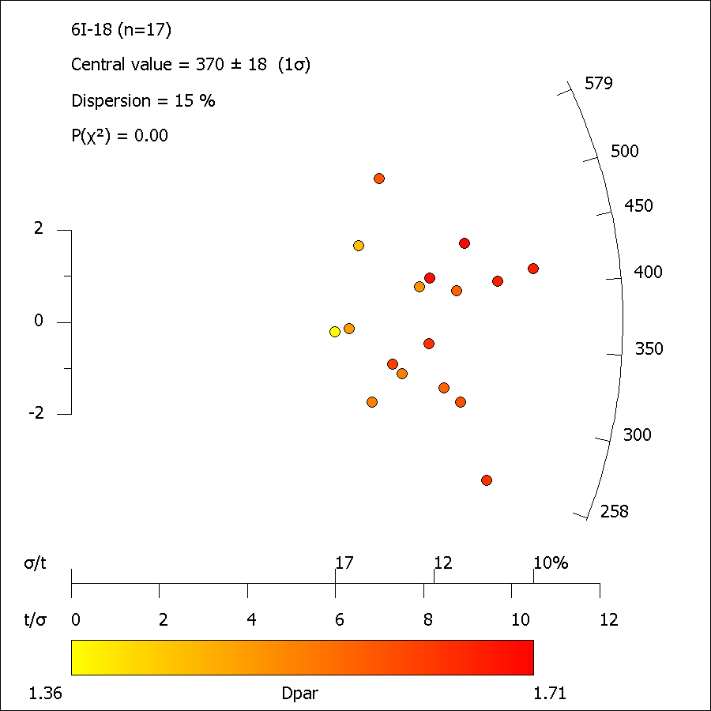

7315-41_ft_length.xml
FastTracks: v3.0.13
Pixel Calibration X: | 0.087301587302

Length ID | Lapp (µm) | dz (µm) | LTrue (µm) | Azimuth | Dip | Angle to c-axis | Average Dpar (µm)
Length01-1 | 13.98 | 1.96 | 14.12 | 8.40 | 7.99 | 11.57 | 1.93
Length02-1 | 11.14 | 0.98 | 11.19 | 72.55 | 5.03 | 72.62 | 2.38
Length03-1 | 13.70 | 2.45 | 13.92 | 22.94 | 10.16 | 24.98 | 1.85
Length04-1 | 11.54 | 0.00 | 11.54 | 45.00 | 0.00 | 45.00 | 1.91
Length04b-1 | 12.73 | 0.00 | 12.73 | 24.04 | 0.00 | 24.04 | 1.91
Length05-1 | 13.19 | 3.44 | 13.63 | 59.74 | 14.60 | 60.81 | 1.73
Length05b-1 | 14.93 | 1.47 | 15.01 | 32.28 | 5.63 | 32.71 | 1.73
Length06b-1 | 14.04 | 1.96 | 14.18 | 19.77 | 7.96 | 21.26 | 1.91
Length06c-1 | 14.01 | 0.98 | 14.04 | 49.08 | 4.01 | 49.20 | 1.91
Length07-1 | 14.74 | 1.47 | 14.82 | 83.99 | 5.70 | 84.02 | 1.68
Length08-1 | 14.06 | 2.45 | 14.27 | 41.49 | 9.90 | 42.45 | 1.95
Length09-1 | 14.30 | 1.47 | 14.37 | 55.44 | 5.88 | 55.65 | 2.11
Length10-1 | 12.05 | 0.98 | 12.09 | 71.65 | 4.66 | 71.71 | 1.66
Length12-1 | 13.12 | 1.47 | 13.20 | 30.63 | 6.40 | 31.23 | 1.80
Length13-1 | 12.06 | 2.45 | 12.31 | 70.85 | 11.50 | 71.25 | 1.71
Length13b-1 | 12.41 | 4.91 | 13.34 | 79.61 | 21.58 | 80.35 | 1.71
Length14-1 | 12.96 | 3.44 | 13.40 | 38.54 | 14.85 | 40.89 | 1.83
Length14b-1 | 11.26 | 3.93 | 11.92 | 54.85 | 19.23 | 57.07 | 1.83
Length14c-1 | 13.53 | 0.49 | 13.54 | 51.92 | 2.08 | 51.95 | 1.83
Length15-1 | 13.82 | 0.00 | 13.82 | 72.06 | 0.00 | 72.06 | 1.98
Length16-1 | 13.02 | 1.96 | 13.17 | 41.28 | 8.57 | 42.00 | 1.99
Length16b-1 | 12.27 | 1.47 | 12.36 | 63.32 | 6.84 | 63.52 | 1.99
Length17-1 | 14.46 | 0.49 | 14.47 | 31.68 | 1.94 | 31.73 | 1.75
Length18-1 | 13.03 | 0.00 | 13.03 | 86.60 | 0.00 | 86.60 | 1.91
Length19-1 | 13.59 | 0.00 | 13.59 | 13.86 | 0.00 | 13.86 | 1.88
Length20-1 | 13.98 | 0.49 | 13.98 | 77.22 | 2.01 | 77.23 | 1.75
Length21-1 | 12.94 | 0.49 | 12.95 | 76.48 | 2.17 | 76.49 | 1.95
Length21b-1 | 11.75 | 0.98 | 11.79 | 69.93 | 4.77 | 70.01 | 1.95
Length21c-1 | 11.80 | 1.96 | 11.96 | 48.83 | 9.45 | 49.51 | 1.95
Length22-1 | 12.22 | 0.98 | 12.26 | 66.89 | 4.59 | 66.97 | 1.72
Length22b-1 | 14.04 | 0.00 | 14.04 | 50.57 | 0.00 | 50.57 | 1.72
Length22c-1 | 13.13 | 0.00 | 13.13 | 82.25 | 0.00 | 82.25 | 1.72
Length23-1 | 14.97 | 0.49 | 14.98 | 23.90 | 1.88 | 23.97 | 1.73
Length23b-1 | 12.12 | 0.00 | 12.12 | 49.35 | 0.00 | 49.35 | 1.73
Length24-1 | 12.62 | 1.47 | 12.71 | 37.70 | 6.65 | 38.20 | 1.68
Length25-1 | 13.10 | 0.00 | 13.10 | 66.35 | 0.00 | 66.35 | 1.84
Length25b-1 | 12.60 | 0.49 | 12.61 | 66.75 | 2.23 | 66.76 | 1.84
Length26-1 | 12.42 | 0.00 | 12.42 | 65.35 | 0.00 | 65.35 | 2.09
Length26b-1 | 13.47 | 0.98 | 13.51 | 42.84 | 4.17 | 43.00 | 2.09
Length27-1 | 12.97 | 0.98 | 13.01 | 75.37 | 4.33 | 75.41 | 1.66
Length28-1 | 13.96 | 0.00 | 13.96 | 78.31 | 0.00 | 78.31 | 1.85
Length28b-1 | 13.02 | 0.49 | 13.03 | 35.42 | 2.16 | 35.48 | 1.85
Length28c-1 | 15.07 | 0.00 | 15.07 | 36.26 | 0.00 | 36.26 | 1.85
Length29-1 | 12.91 | 0.00 | 12.91 | 74.38 | 0.00 | 74.38 | 1.84
Length29b-1 | 12.10 | 0.49 | 12.11 | 52.56 | 2.32 | 52.59 | 1.84
Length30-1 | 14.59 | 0.00 | 14.59 | 48.07 | 0.00 | 48.07 | 2.01
Length30b-1 | 12.78 | 0.00 | 12.78 | 43.85 | 0.00 | 43.85 | 2.01
Length30c-1 | 13.74 | 0.00 | 13.74 | 79.79 | 0.00 | 79.79 | 2.01
Length30d-1 | 14.82 | 0.00 | 14.82 | 44.85 | 0.00 | 44.85 | 2.01
Length31-1 | 11.47 | 0.00 | 11.47 | 75.46 | 0.00 | 75.46 | 1.90
Length31b-1 | 14.09 | 0.00 | 14.09 | 36.26 | 0.00 | 36.26 | 1.90
Length32-1 | 12.81 | 0.00 | 12.81 | 62.06 | 0.00 | 62.06 | 1.95
Length33-1 | 12.98 | 0.00 | 12.98 | 63.40 | 0.00 | 63.40 | 1.66
Length34-1 | 13.36 | 1.47 | 13.44 | 65.24 | 6.29 | 65.39 | 1.84
Length35-1 | 13.21 | 0.00 | 13.21 | 71.03 | 0.00 | 71.03 | 1.87
Length36-1 | 10.34 | 0.98 | 10.38 | 72.06 | 5.42 | 72.14 | 1.75
Length37-1 | 14.98 | 0.00 | 14.98 | 58.35 | 0.00 | 58.35 | 1.99
Length37b-1 | 11.99 | 0.00 | 11.99 | 76.73 | 0.00 | 76.73 | 1.99
Length38-1 | 13.77 | 0.49 | 13.78 | 33.15 | 2.04 | 33.20 | 1.83
Length38b-1 | 13.61 | 0.49 | 13.62 | 57.45 | 2.07 | 57.48 | 1.83
Length38c-1 | 13.75 | 0.00 | 13.75 | 38.35 | 0.00 | 38.35 | 1.83
Length39-1 | 11.05 | 0.49 | 11.06 | 79.61 | 2.54 | 79.63 | 1.56
Length40-1 | 13.57 | 3.44 | 14.00 | 17.57 | 14.20 | 22.45 | 1.87
Length41-1 | 14.71 | 0.00 | 14.71 | 46.20 | 0.00 | 46.20 | 1.88
Length41b-1 | 14.99 | 1.47 | 15.06 | 44.58 | 5.61 | 44.86 | 1.88
Length42-1 | 13.49 | 3.93 | 14.05 | 38.46 | 16.22 | 41.25 | 1.91
Length43-1 | 14.09 | 0.00 | 14.09 | 82.13 | 0.00 | 82.13 | 1.61
Length44-1 | 11.41 | 0.00 | 11.41 | 70.15 | 0.00 | 70.15 | 1.67
Length45-1 | 12.90 | 0.49 | 12.91 | 44.68 | 2.18 | 44.72 | 1.90
Length45b-1 | 13.61 | 1.47 | 13.69 | 33.35 | 6.17 | 33.85 | 1.90
Length45c-1 | 14.35 | 0.00 | 14.35 | 60.32 | 0.00 | 60.32 | 1.90
Length45d-1 | 10.87 | 0.00 | 10.87 | 80.37 | 0.00 | 80.37 | 1.90
Length45e-1 | 12.70 | 0.00 | 12.70 | 64.83 | 0.00 | 64.83 | 1.90
Length46-1 | 13.16 | 0.98 | 13.19 | 49.65 | 4.27 | 49.78 | 1.91
Length46b-1 | 12.31 | 0.98 | 12.35 | 57.70 | 4.56 | 57.81 | 1.91
Length47-1 | 12.93 | 0.00 | 12.93 | 77.11 | 0.00 | 77.11 | 1.98
Length47b-1 | 13.35 | 0.98 | 13.39 | 69.52 | 4.20 | 69.58 | 1.98
Length48-1 | 12.26 | 0.00 | 12.26 | 35.04 | 0.00 | 35.04 | 1.84
Length49-1 | 13.89 | 0.00 | 13.89 | 68.03 | 0.00 | 68.03 | 1.85
Length50-1 | 13.63 | 0.00 | 13.63 | 72.25 | 0.00 | 72.25 | 1.84
Length51-1 | 12.35 | 0.00 | 12.35 | 37.16 | 0.00 | 37.16 | 1.82
Length52-1 | 14.00 | 0.98 | 14.03 | 77.04 | 4.01 | 77.08 | 1.57
Length53-1 | 11.80 | 0.00 | 11.80 | 61.69 | 0.00 | 61.69 | 1.68
Length53b-1 | 13.35 | 0.00 | 13.35 | 50.91 | 0.00 | 50.91 | 1.68

0705-03
Sample: |  | 0705-03 |  |  |  |  | Analyst: |  | vmackintosh

Rock Type: |  |  |  |  |  |  | Mineral: |  | Apatite
Longitude/Latitude: |  |  |  |  |  |  | Elevation (m):
Calibration X/Y (µm/px): |  |  | 0.0873/0.0873 |  |  |  | 238U Standard: |  | NIST612
Date analysed: |  |  | 11-Jul-2018 |  |  |  | Software: |  | FastTracks v3.0.13

No. | NS | Area (cm2) | ρS (cm-2) | 238U(ppm) | ± | 1σ | Dpar (µm) | Age (Ma) | ± | 1σ | Length (µm) | #
1 | 12 | 2.068E-05 | 5.802E+05 | 3.46 | ± | 0.81 | 1.18 ± 0.39 | 355.0 | ± | 131.9 | 0–1 | 0
2 | 32 | 4.760E-05 | 6.723E+05 | 4.34 | ± | 0.62 | 1.80 ± 1.20 | 328.6 | ± | 74.7 | 1–2 | 0
3 | 62 | 6.204E-05 | 9.993E+05 | 5.73 | ± | 0.86 | 1.66 ± 0.45 | 368.8 | ± | 72.5 | 2–3 | 0
4 | 38 | 4.608E-05 | 8.247E+05 | 4.61 | ± | 0.76 | 1.09 ± 0.53 | 378.0 | ± | 87.4 | 3–4 | 0
5 | 8 | 4.023E-05 | 1.989E+05 | 0.75 | ± | 0.23 | 2.24 ± 0.05 | 552.7 | ± | 258.7 | 4–5 | 0
6 | 39 | 3.764E-05 | 1.036E+06 | 3.92 | ± | 0.60 | 1.78 ± 0.14 | 550.9 | ± | 122.0 | 5–6 | 0
7 | 23 | 4.143E-05 | 5.551E+05 | 3.73 | ± | 0.66 | 1.64 ± 0.24 | 316.0 | ± | 86.4 | 6–7 | 0
8 | 31 | 3.806E-05 | 8.145E+05 | 3.51 | ± | 0.58 | 1.52 ± 0.11 | 486.2 | ± | 118.7 | 7–8 | 0
9 | 61 | 5.075E-05 | 1.202E+06 | 5.21 | ± | 0.84 | 1.67 ± 0.13 | 483.5 | ± | 99.5 | 8–9 | 1
10 | 18 | 1.530E-05 | 1.176E+06 | 4.47 | ± | 0.73 | 1.45 ± 0.12 | 548.5 | ± | 157.3 | 9–10 | 3
11 | 28 | 4.185E-05 | 6.690E+05 | 3.17 | ± | 0.67 | 1.59 ± 0.17 | 443.6 | ± | 125.8 | 10–11 | 3
12 | 15 | 1.839E-05 | 8.159E+05 | 4.25 | ± | 0.99 | 1.58 ± 0.22 | 404.8 | ± | 140.8 | 11–12 | 16
13 | 45 | 5.754E-05 | 7.821E+05 | 3.58 | ± | 0.67 | 1.84 ± 0.10 | 458.7 | ± | 109.8 | 12–13 | 18
14 | 40 | 5.865E-05 | 6.820E+05 | 3.60 | ± | 0.74 | 1.63 ± 0.08 | 399.6 | ± | 103.6 | 13–14 | 20
15 | 22 | 4.363E-05 | 5.042E+05 | 3.21 | ± | 0.71 | 1.75 ± 0.21 | 333.1 | ± | 102.3 | 14–15 | 13
16 | 19 | 3.329E-05 | 5.707E+05 | 2.99 | ± | 0.51 | 1.84 ± 0.25 | 402.5 | ± | 115.1 | 15–16 | 4
17 | 11 | 1.817E-05 | 6.055E+05 | 2.50 | ± | 0.60 | 2.03 ± 0.33 | 506.6 | ± | 195.2 | 16–17 | 1
18 | 47 | 6.724E-05 | 6.990E+05 | 3.22 | ± | 0.63 | 1.53 ± 0.05 | 455.9 | ± | 111.3 | 17–18 | 0
19 | 9 | 1.040E-05 | 8.655E+05 | 3.70 | ± | 0.90 | 1.97 ± 0.45 | 489.9 | ± | 202.2 | 18–19 | 0
20 | 30 | 3.804E-05 | 7.887E+05 | 3.42 | ± | 0.60 | 1.50 ± 0.10 | 483.3 | ± | 122.4 | 19–20 | 0
 | 590 | 7.870E-04 | 7.521E+05 | 3.67 | ± | 1.03a | 1.66 ± 0.27a |  |  |  | MTL = 12.78
a Standard deviation of mean |  |  |  |  |  |  |  |  |  |  | Var = 0.17
 |  |  |  |  |  |  |  |  |  |  | SD = 1.48
 |  |  |  |  |  |  |  |  |  |  | No. = 79
 |  |  |  |  |  | Pooled Age = |  | 422.2 | ± | 17.0 Ma
 |  |  |  |  |  | Central Age = |  | 426.9 | ± | 25.4 Ma

 | 0
 | 0
 | 0
 | 0
 | 0
 | 0
 | 0
 | 0
 | 1
 | 3
 | 3
 | 16
 | 18
 | 20
 | 13
 | 4
 | 1
 | 0
 | 0
 | 0
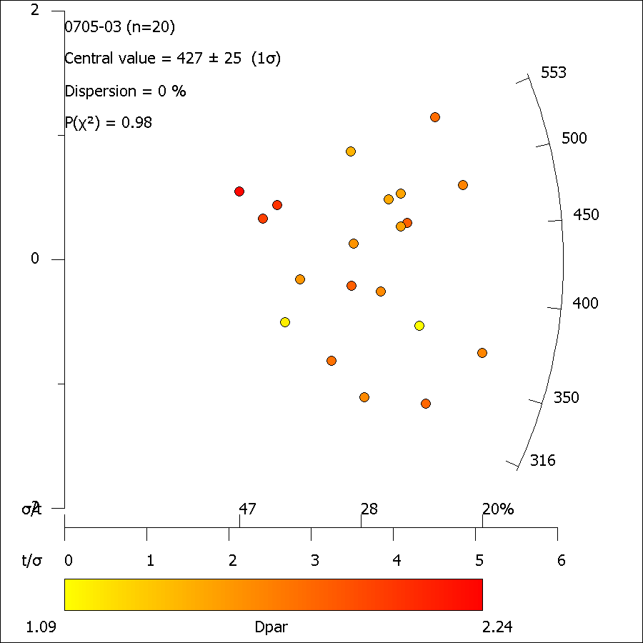

0705-03_ft_length.xml
FastTracks: v3.0.13
Pixel Calibration X: | 0.087301587302

Length ID | Lapp (µm) | dz (µm) | LTrue (µm) | Azimuth | Dip | Angle to c-axis | Average Dpar (µm)
Length01-1 | 13.62 | 0.49 | 13.62 | 85.91 | 2.06 | 85.91 | 1.86
Length01b-1 | 10.98 | 2.45 | 11.25 | 54.68 | 12.60 | 55.65 | 1.86
Length01c-1 | 12.21 | 0.49 | 12.22 | 88.84 | 2.30 | 88.84 | 1.86
Length02-1 | 12.11 | 2.94 | 12.46 | 58.37 | 13.67 | 59.37 | 1.58
Length03-1 | 12.84 | 0.49 | 12.85 | 49.62 | 2.19 | 49.65 | 1.67
Length04-1 | 14.34 | 0.00 | 14.34 | 53.11 | 0.00 | 53.11 | 1.58
Length05-1 | 12.92 | 1.47 | 13.00 | 49.99 | 6.50 | 50.30 | 1.83
Length06-1 | 12.81 | 2.94 | 13.14 | 23.13 | 12.95 | 26.33 | 1.93
Length07-1 | 13.07 | 1.96 | 13.22 | 85.19 | 8.54 | 85.24 | 1.66
Length07b-1 | 11.44 | 2.45 | 11.70 | 56.96 | 12.11 | 57.78 | 1.66
Length08-1 | 12.32 | 1.47 | 12.41 | 68.38 | 6.82 | 68.54 | 1.70
Length08b-1 | 13.10 | 0.00 | 13.10 | 80.82 | 0.00 | 80.82 | 1.70
Length10-1 | 14.92 | 2.94 | 15.20 | 70.14 | 11.17 | 70.53 | 2.66
Length11-1 | 15.23 | 3.44 | 15.61 | 72.80 | 12.71 | 73.23
Length12-1 | 14.54 | 1.47 | 14.61 | 61.46 | 5.78 | 61.62 | 1.70
Length13-1 | 11.96 | 0.49 | 11.97 | 53.04 | 2.35 | 53.08 | 1.55
Length14-1 | 11.88 | 0.49 | 11.89 | 85.03 | 2.36 | 85.03 | 1.72
Length15-1 | 14.26 | 0.00 | 14.26 | 55.02 | 0.00 | 55.02 | 1.31
Length16-1 | 9.63 | 6.38 | 11.55 | 48.47 | 33.53 | 56.45 | 1.57
Length17-1 | 12.46 | 0.00 | 12.46 | 61.28 | 0.00 | 61.28 | 1.91
Length17b-1 | 14.47 | 0.49 | 14.48 | 36.67 | 1.94 | 36.72 | 1.91
Length18-1 | 15.18 | 0.00 | 15.18 | 73.37 | 0.00 | 73.37 | 1.67
Length19-1 | 11.49 | 0.49 | 11.50 | 85.73 | 2.45 | 85.73 | 1.73
Length19b-1 | 15.35 | 0.00 | 15.35 | 88.41 | 0.00 | 88.41 | 1.73
Length20-1 | 13.75 | 0.49 | 13.76 | 55.82 | 2.04 | 55.84 | 1.83
Length20b-1 | 12.26 | 1.47 | 12.35 | 31.54 | 6.85 | 32.20 | 1.83
Length20c-1 | 13.18 | 0.98 | 13.22 | 58.36 | 4.26 | 58.46 | 1.83
Length20e-1 | 12.70 | 2.94 | 13.04 | 60.64 | 13.06 | 61.47 | 1.83
Length20f-1 | 12.86 | 1.47 | 12.94 | 51.30 | 6.53 | 51.59 | 1.83
Length20f-2 | 14.34 | 0.49 | 14.35 | 40.80 | 1.96 | 40.84 | 1.83
Length20g-1 | 13.62 | 2.45 | 13.84 | 58.20 | 10.21 | 58.76 | 1.83
Length20h-1 | 12.73 | 2.45 | 12.96 | 61.02 | 10.91 | 61.59 | 1.83
Length20i-1 | 13.81 | 2.94 | 14.12 | 35.31 | 12.04 | 37.05 | 1.83
Length20j-1 | 12.33 | 0.00 | 12.33 | 34.48 | 0.00 | 34.48 | 1.83
Length21-1 | 13.63 | 3.44 | 14.06 | 43.72 | 14.14 | 45.51 | 1.73
Length22-1 | 13.87 | 2.94 | 14.18 | 40.44 | 11.98 | 41.88 | 1.85
Length22b-1 | 10.68 | 2.94 | 11.08 | 57.89 | 15.41 | 59.17 | 1.85
Length22c-1 | 13.62 | 0.49 | 13.62 | 57.91 | 2.06 | 57.93 | 1.85
Length22d-1 | 12.40 | 1.47 | 12.49 | 66.20 | 6.77 | 66.37 | 1.85
Length23-1 | 11.90 | 0.00 | 11.90 | 69.15 | 0.00 | 69.15 | 1.81
Length23b-1 | 13.37 | 0.49 | 13.38 | 71.91 | 2.10 | 71.93 | 1.81
Length24-1 | 12.40 | 0.00 | 12.40 | 84.33 | 0.00 | 84.33 | 1.66
Length25-1 | 10.14 | 0.00 | 10.14 | 64.12 | 0.00 | 64.12
Length25b-1 | 13.77 | 0.00 | 13.77 | 70.21 | 0.00 | 70.21
Length27-1 | 11.52 | 0.49 | 11.53 | 82.85 | 2.44 | 82.85 | 1.67
Length28-1 | 12.69 | 2.94 | 13.03 | 80.11 | 13.06 | 80.37 | 1.93
Length29-1 | 12.73 | 0.00 | 12.73 | 45.03 | 0.00 | 45.03 | 1.56
Length29b-1 | 12.11 | 1.96 | 12.27 | 42.60 | 9.21 | 43.40 | 1.56
Length30-1 | 13.84 | 0.00 | 13.84 | 81.41 | 0.00 | 81.41 | 1.70
Length31-1 | 13.93 | 1.96 | 14.07 | 71.86 | 8.02 | 72.04
Length32-1 | 16.00 | 0.00 | 16.00 | 7.26 | 0.00 | 7.26 | 1.68
Length32b-1 | 11.37 | 2.45 | 11.63 | 60.30 | 12.18 | 61.03 | 1.68
Length32c-1 | 13.10 | 0.98 | 13.14 | 56.22 | 4.29 | 56.32 | 1.68
Length33-1 | 11.47 | 0.00 | 11.47 | 46.08 | 0.00 | 46.08 | 1.77
Length33b-1 | 11.98 | 0.00 | 11.98 | 61.93 | 0.00 | 61.93 | 1.77
Length34-1 | 14.06 | 4.91 | 14.89 | 66.23 | 19.25 | 67.63 | 1.99
Length34b-1 | 10.11 | 0.00 | 10.11 | 66.76 | 0.00 | 66.76 | 1.99
Length35-1 | 11.24 | 0.98 | 11.28 | 23.36 | 4.99 | 23.86 | 1.96
Length36-1 | 14.08 | 0.49 | 14.08 | 29.84 | 2.00 | 29.90 | 1.56
Length37-1 | 12.79 | 1.47 | 12.88 | 53.21 | 6.57 | 53.50 | 1.88
Length37b-1 | 12.92 | 3.93 | 13.50 | 30.47 | 16.90 | 34.45 | 1.88
Length37c-1 | 12.75 | 0.98 | 12.78 | 78.95 | 4.40 | 78.98 | 1.88
Length37d-1 | 13.15 | 0.00 | 13.15 | 61.20 | 0.00 | 61.20 | 1.88
Length37e-1 | 13.88 | 1.96 | 14.02 | 50.12 | 8.05 | 50.59 | 1.88
Length37f-1 | 13.36 | 0.49 | 13.37 | 68.67 | 2.10 | 68.69 | 1.88
Length37g-1 | 13.62 | 1.47 | 13.69 | 34.92 | 6.17 | 35.39 | 1.88
Length37h-1 | 10.05 | 0.00 | 10.05 | 73.19 | 0.00 | 73.19 | 1.88
Length37i-1 | 9.91 | 0.00 | 9.91 | 58.56 | 0.00 | 58.56 | 1.88
Length37j-1 | 11.86 | 1.96 | 12.02 | 40.08 | 9.40 | 40.98 | 1.88
Length37k-1 | 12.86 | 1.47 | 12.95 | 70.30 | 6.53 | 70.43 | 1.88
Length37l-1 | 14.19 | 0.00 | 14.19 | 78.49 | 0.00 | 78.49 | 1.88
Length37m-1 | 11.69 | 0.00 | 11.69 | 64.99 | 0.00 | 64.99 | 1.88
Length37n-1 | 12.57 | 0.00 | 12.57 | 66.10 | 0.00 | 66.10 | 1.88
Length37o-1 | 11.43 | 0.00 | 11.43 | 71.85 | 0.00 | 71.85 | 1.88
Length37p-1 | 8.47 | 0.00 | 8.47 | 54.92 | 0.00 | 54.92 | 1.88
Length37r-1 | 9.21 | 0.98 | 9.26 | 80.83 | 6.08 | 80.88 | 1.88
Length37s-1 | 11.26 | 0.00 | 11.26 | 50.29 | 0.00 | 50.29 | 1.88
Length37t-1 | 9.85 | 0.49 | 9.87 | 79.14 | 2.85 | 79.16 | 1.88
Length38-1 | 13.51 | 0.00 | 13.51 | 50.75 | 0.00 | 50.75 | 1.67

0705-12
Sample: |  | 0705-12 |  |  |  |  | Analyst: |  | vmackintosh

Rock Type: |  |  |  |  |  |  | Mineral: |  | Apatite
Longitude/Latitude: |  |  |  |  |  |  | Elevation (m):
Calibration X/Y (µm/px): |  |  | 0.0873/0.0873 |  |  |  | 238U Standard: |  | NIST612
Date analysed: |  |  | 28-Mar-2018 |  |  |  | Software: |  | FastTracks v3.0.13

No. | NS | Area (cm2) | ρS (cm-2) | 238U(ppm) | ± | 1σ | Dpar (µm) | Age (Ma) | ± | 1σ | Length (µm) | #
1 | 71 | 4.516E-06 | 1.572E+07 | 122.00 | ± | 16.00 | 2.71 ± 0.24 | 274.5 | ± | 48.5 | 0–1 | 0
2 | 96 | 1.078E-05 | 8.903E+06 | 57.00 | ± | 6.40 | 2.57 ± 0.04 | 331.2 | ± | 50.3 | 1–2 | 0
3 | 85 | 5.862E-06 | 1.450E+07 | 87.00 | ± | 11.00 | 3.17 ± 0.19 | 352.9 | ± | 58.8 | 2–3 | 0
4 | 89 | 7.422E-06 | 1.199E+07 | 92.00 | ± | 10.00 | 2.65 ± 0.01 | 277.5 | ± | 42.1 | 3–4 | 0
5 | 56 | 5.507E-06 | 1.017E+07 | 64.00 | ± | 4.80 | – | 336.8 | ± | 51.6 | 4–5 | 0
6 | 109 | 4.686E-06 | 2.326E+07 | 112.00 | ± | 10.00 | 3.91 ± 0.81 | 436.8 | ± | 57.2 | 5–6 | 0
7 | 138 | 7.957E-06 | 1.734E+07 | 89.60 | ± | 9.20 | 3.44 ± 0.05 | 408.0 | ± | 54.4 | 6–7 | 0
8 | 75 | 4.887E-06 | 1.535E+07 | 89.30 | ± | 6.40 | 3.76 ± 0.25 | 363.6 | ± | 49.4 | 7–8 | 0
9 | 146 | 8.791E-06 | 1.661E+07 | 107.00 | ± | 11.00 | 2.99 ± 0.50 | 329.3 | ± | 43.5 | 8–9 | 0
10 | 167 | 8.404E-06 | 1.987E+07 | 112.00 | ± | 12.00 | 2.99 ± 0.14 | 375.0 | ± | 49.6 | 9–10 | 2
11 | 181 | 1.854E-05 | 9.761E+06 | 40.90 | ± | 2.90 | 2.57 ± 0.27 | 499.5 | ± | 51.3 | 10–11 | 1
12 | 85 | 1.009E-05 | 8.425E+06 | 64.30 | ± | 5.80 | 2.83 ± 0.37 | 279.0 | ± | 39.4 | 11–12 | 4
13 | 192 | 2.391E-05 | 8.031E+06 | 39.00 | ± | 3.40 | 3.79 ± 0.28 | 433.2 | ± | 49.0 | 12–13 | 11
14 | 53 | 2.546E-06 | 2.082E+07 | 170.00 | ± | 15.00 | 3.20 ± 0.33 | 261.2 | ± | 42.6 | 13–14 | 25
 | 1543 | 1.239E-04 | 1.434E+07 | 89.01 | ± | 35.21a | 3.12 ± 0.47a |  |  |  | 14–15 | 20
a Standard deviation of mean |  |  |  |  |  |  |  |  |  |  | 15–16 | 14
 |  |  |  |  |  |  |  |  |  |  | 16–17 | 1
 |  |  |  |  |  |  |  |  |  |  | 17–18 | 0
 |  |  |  |  |  | Pooled Age = |  | 361.2 | ± | 19.7 Ma | 18–19 | 0
 |  |  |  |  |  | Central Age = |  | 355.2 | ± | 19.0 Ma | 19–20 | 0
 |  |  |  |  |  |  |  |  |  |  | MTL = 13.73
 |  |  |  |  |  |  |  |  |  |  | Var = 0.15
 |  |  |  |  |  |  |  |  |  |  | SD = 1.29
 |  |  |  |  |  |  |  |  |  |  | No. = 78

 | 0
 | 0
 | 0
 | 0
 | 0
 | 0
 | 0
 | 0
 | 0
 | 2
 | 1
 | 4
 | 11
 | 25
 | 20
 | 14
 | 1
 | 0
 | 0
 | 0
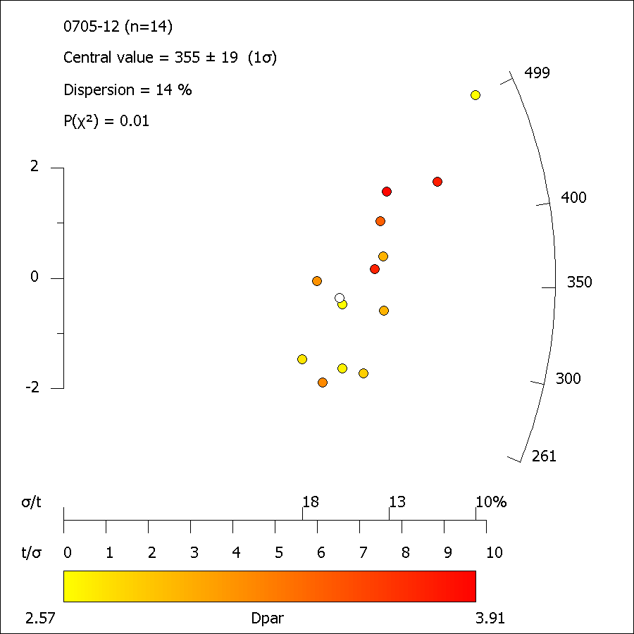

0705-12_ft_length.xml
FastTracks: v3.0.13
Pixel Calibration X: | 0.087301587302

Length ID | Lapp (µm) | dz (µm) | LTrue (µm) | Azimuth | Dip | Angle to c-axis | Average Dpar (µm)
Length01-1 | 13.46 | 0.49 | 13.47 | 81.15 | 2.09 | 81.16 | 2.26
Length01b-1 | 15.05 | 0.00 | 15.05 | 50.38 | 0.00 | 50.38 | 2.26
Length01c-1 | 9.94 | 0.00 | 9.94 | 54.70 | 0.00 | 54.70 | 2.26
Length01e-1 | 13.27 | 0.00 | 13.27 | 81.00 | 0.00 | 81.00 | 2.26
Length02-1 | 14.76 | 0.00 | 14.76 | 59.47 | 0.00 | 59.47 | 3.24
Length02c-1 | 11.26 | 0.00 | 11.26 | 26.69 | 0.00 | 26.69 | 3.24
Length03b-1 | 13.42 | 0.00 | 13.42 | 60.31 | 0.00 | 60.31 | 3.16
Length04-1 | 15.38 | 0.98 | 15.41 | 75.58 | 3.65 | 75.61 | 2.88
Length05-1 | 14.67 | 0.98 | 14.71 | 77.00 | 3.83 | 77.03 | 2.62
Length05b-1 | 13.94 | 1.96 | 14.08 | 69.95 | 8.02 | 70.16 | 2.62
Length05c-1 | 12.65 | 2.94 | 12.99 | 65.81 | 13.10 | 66.48 | 2.62
Length05d-1 | 14.71 | 0.00 | 14.71 | 83.55 | 0.00 | 83.55 | 2.62
Length05e-1 | 13.97 | 1.47 | 14.05 | 88.69 | 6.02 | 88.70 | 2.62
Length05e-2 | 10.21 | 0.49 | 10.22 | 43.21 | 2.75 | 43.28 | 2.62
Length05g-1 | 9.74 | 0.00 | 9.74 | 48.44 | 0.00 | 48.44 | 2.62
Length06-1 | 12.59 | 0.00 | 12.59 | 45.56 | 0.00 | 0.00 | -
Length07-1 | 14.14 | 0.00 | 14.14 | 61.71 | 0.00 | 61.71 | 3.02
Length08-1 | 11.87 | 0.00 | 11.87 | 43.73 | 0.00 | 43.73 | 3.15
Length09-1 | 14.91 | 2.45 | 15.12 | 49.04 | 9.34 | 49.70 | 2.50
Length09b-1 | 13.89 | 0.98 | 13.93 | 54.94 | 4.04 | 55.04 | 2.50
Length09c-1 | 15.20 | 0.49 | 15.21 | 64.05 | 1.85 | 64.07 | 2.50
Length09e-1 | 14.28 | 0.00 | 14.28 | 36.70 | 0.00 | 36.70 | 2.50
Length10-1 | 12.92 | 2.94 | 13.25 | 48.01 | 12.84 | 0.00 | -
Length01-1 | 12.41 | 0.00 | 12.41 | 74.17 | 0.00 | 74.17 | 2.44
Length02-1 | 12.04 | 0.00 | 12.04 | 47.22 | 0.00 | 47.22 | 2.27
Length02b-1 | 13.79 | 4.91 | 14.63 | 62.38 | 19.60 | 64.11 | 2.27
Length03-1 | 15.05 | 1.96 | 15.17 | 47.08 | 7.43 | 47.53 | 2.15
Length03b-1 | 13.94 | 0.00 | 13.94 | 78.06 | 0.00 | 78.06 | 2.15
Length03c-1 | 13.20 | 1.47 | 13.28 | 84.72 | 6.36 | 84.76 | 2.15
Length04-1 | 11.68 | 0.49 | 11.69 | 36.41 | 2.41 | 36.48 | 1.77
Length05-1 | 13.56 | 1.96 | 13.70 | 87.47 | 8.24 | 87.50 | 1.91
Length06-1 | 13.73 | 2.94 | 14.04 | 56.52 | 12.11 | 57.36 | 2.33
Length06b-1 | 14.13 | 0.49 | 14.14 | 68.66 | 1.99 | 68.67 | 2.33
Length06c-1 | 13.31 | 2.45 | 13.54 | 69.00 | 10.44 | 69.37 | 2.33
Length07-1 | 14.33 | 0.49 | 14.34 | 21.26 | 1.96 | 21.35 | 2.27
Length07b-1 | 15.67 | 0.49 | 15.68 | 30.18 | 1.79 | 30.23 | 2.27
Length07c-1 | 15.76 | 1.47 | 15.83 | 45.55 | 5.34 | 45.80 | 2.27
Length07d-1 | 15.46 | 0.00 | 15.46 | 65.58 | 0.00 | 65.58 | 2.27
Length08-1 | 13.39 | 2.45 | 13.61 | 75.92 | 10.38 | 76.15 | 2.29
Length08b-1 | 13.62 | 0.49 | 13.63 | 49.92 | 2.06 | 49.95 | 2.29
Length08c-1 | 13.00 | 2.94 | 13.33 | 68.41 | 12.76 | 68.97 | 2.29
Length08d-1 | 14.37 | 1.47 | 14.44 | 22.46 | 5.85 | 23.18 | 2.29
Length08e-1 | 14.88 | 3.93 | 15.38 | 76.05 | 14.79 | 76.52 | 2.29
Length09-1 | 13.51 | 1.47 | 13.59 | 58.80 | 6.22 | 59.00 | 1.96
Length10-1 | 13.68 | 1.96 | 13.82 | 75.10 | 8.17 | 75.26 | 1.92
Length11-1 | 14.30 | 0.00 | 14.30 | 57.58 | 0.00 | 57.58 | 2.41
Length11b-1 | 12.87 | 0.98 | 12.91 | 46.72 | 4.36 | 46.88 | 2.41
Length11c-1 | 13.27 | 0.00 | 13.27 | 65.19 | 0.00 | 65.19 | 2.41
Length12-1 | 14.88 | 2.45 | 15.08 | 16.80 | 9.37 | 19.17 | 1.49
Length13-1 | 13.41 | 0.00 | 13.41 | 55.91 | 0.00 | 55.91 | 2.35
Length13b-1 | 14.53 | 0.98 | 14.57 | 43.34 | 3.86 | 43.47 | 2.35
Length14-1 | 13.20 | 0.00 | 13.20 | 23.36 | 0.00 | 23.36 | 3.00
Length15-1 | 12.67 | 0.49 | 12.68 | 57.32 | 2.22 | 57.35 | 2.10
Length16-1 | 13.07 | 1.47 | 13.15 | 33.38 | 6.43 | 33.93 | 2.48
Length17-1 | 12.38 | 1.96 | 12.53 | 48.36 | 9.01 | 48.99 | 2.57
Length18-1 | 15.28 | 0.00 | 15.28 | 22.62 | 0.00 | 22.62 | 3.28
Length19-1 | 12.84 | 0.00 | 12.84 | 51.30 | 0.00 | 51.30 | 1.78
Length20-1 | 13.90 | 0.00 | 13.90 | 43.57 | 0.00 | 43.57 | 2.27
Length21-1 | 13.90 | 0.00 | 13.90 | 70.01 | 0.00 | 70.01 | 2.18
Length22-1 | 14.22 | 0.00 | 14.22 | 69.90 | 0.00 | 69.90 | 1.05
Length23-1 | 15.93 | 2.45 | 16.12 | 49.57 | 8.76 | 50.14 | 1.93
Length24-1 | 11.95 | 0.98 | 11.99 | 69.98 | 4.70 | 70.05 | 2.20
Length25-1 | 15.03 | 1.96 | 15.16 | 72.87 | 7.44 | 73.02 | 2.67
Length26-1 | 14.87 | 2.45 | 15.07 | 70.98 | 9.37 | 71.24 | 2.41
Length27-1 | 14.88 | 1.47 | 14.95 | 73.83 | 5.65 | 73.91 | 2.36
Length28-1 | 14.12 | 1.47 | 14.20 | 80.57 | 5.95 | 80.62 | 2.37
Length29-1 | 13.83 | 2.45 | 14.05 | 56.98 | 10.06 | 57.55 | 2.57
Length30-1 | 14.01 | 2.45 | 14.23 | 69.41 | 9.93 | 69.73 | 2.43
Length30b-1 | 14.39 | 2.94 | 14.69 | 56.27 | 11.57 | 57.04 | 2.43
Length31-1 | 13.09 | 0.00 | 13.09 | 35.29 | 0.00 | 35.29 | 1.86
Length31b-1 | 12.27 | 1.47 | 12.36 | 59.02 | 6.84 | 59.26 | 1.86
Length31c-1 | 15.17 | 0.00 | 15.17 | 59.15 | 0.00 | 59.15 | 1.86
Length32-1 | 12.59 | 0.49 | 12.60 | 39.33 | 2.23 | 39.39 | 2.57
Length33-1 | 11.59 | 3.44 | 12.09 | 79.74 | 16.51 | 80.17 | 1.80
Length35-1 | 13.66 | 1.96 | 13.80 | 55.26 | 8.18 | 55.66 | 2.54
Length36-1 | 13.69 | 0.49 | 13.70 | 71.82 | 2.05 | 71.84 | 2.20
Length36b-1 | 13.75 | 0.00 | 13.75 | 74.44 | 0.00 | 74.44 | 2.20
Length36c-1 | 13.39 | 1.96 | 13.53 | 59.66 | 8.34 | 60.02 | 2.20

0705-19
Sample: |  | 0705-19 |  |  |  |  | Analyst: |  | vmackintosh

Rock Type: |  |  |  |  |  |  | Mineral: |  | Apatite
Longitude/Latitude: |  |  |  |  |  |  | Elevation (m):
Calibration X/Y (µm/px): |  |  | 0.0873/0.0873 |  |  |  | 238U Standard: |  | NIST612
Date analysed: |  |  | 28-Mar-2018 |  |  |  | Software: |  | FastTracks v3.0.13

No. | NS | Area (cm2) | ρS (cm-2) | 238U(ppm) | ± | 1σ | Dpar (µm) | Age (Ma) | ± | 1σ | Length (µm) | #
1 | 13 | 1.010E-05 | 1.288E+06 | 13.40 | ± | 1.70 | 1.68 ± 0.12 | 205.8 | ± | 62.8 | 0–1 | 0
2 | 36 | 1.118E-05 | 3.219E+06 | 11.40 | ± | 1.20 | 1.88 ± 0.22 | 586.9 | ± | 115.7 | 1–2 | 0
3 | 43 | 1.463E-05 | 2.939E+06 | 13.60 | ± | 1.70 | 1.84 ± 0.20 | 453.9 | ± | 89.5 | 2–3 | 0
4 | 28 | 1.159E-05 | 2.417E+06 | 12.90 | ± | 1.20 | 1.98 ± 0.41 | 395.4 | ± | 83.3 | 3–4 | 0
5 | 59 | 1.380E-05 | 4.275E+06 | 22.90 | ± | 3.10 | 1.99 ± 0.23 | 394.0 | ± | 74.0 | 4–5 | 0
6 | 108 | 3.154E-05 | 3.424E+06 | 19.00 | ± | 2.20 | 2.03 ± 0.17 | 380.7 | ± | 57.3 | 5–6 | 0
7 | 72 | 4.783E-05 | 1.505E+06 | 8.50 | ± | 1.00 | 1.90 ± 0.27 | 374.2 | ± | 62.3 | 6–7 | 0
8 | 60 | 2.950E-05 | 2.034E+06 | 16.80 | ± | 2.10 | 1.66 ± 0.23 | 258.2 | ± | 46.4 | 7–8 | 2
9 | 36 | 1.296E-05 | 2.779E+06 | 12.50 | ± | 1.20 | 2.05 ± 0.24 | 466.5 | ± | 89.7 | 8–9 | 2
10 | 59 | 1.560E-05 | 3.781E+06 | 22.10 | ± | 3.30 | 1.82 ± 0.22 | 362.0 | ± | 71.7 | 9–10 | 3
11 | 67 | 2.231E-05 | 3.003E+06 | 11.50 | ± | 1.30 | 1.85 ± 0.19 | 544.6 | ± | 90.6 | 10–11 | 4
12 | 24 | 8.321E-06 | 2.884E+06 | 22.30 | ± | 2.80 | 1.83 ± 0.22 | 275.5 | ± | 66.0 | 11–12 | 10
13 | 28 | 1.246E-05 | 2.246E+06 | 9.00 | ± | 1.10 | 1.82 ± 0.25 | 521.4 | ± | 117.3 | 12–13 | 15
14 | 54 | 2.539E-05 | 2.127E+06 | 10.10 | ± | 1.20 | 1.86 ± 0.23 | 442.7 | ± | 80.0 | 13–14 | 21
15 | 41 | 1.414E-05 | 2.900E+06 | 11.21 | ± | 0.64 | 1.87 ± 0.07 | 539.7 | ± | 89.7 | 14–15 | 21
 | 728 | 2.814E-04 | 2.721E+06 | 14.48 | ± | 4.92a | 1.87 ± 0.11a |  |  |  | 15–16 | 4
a Standard deviation of mean |  |  |  |  |  |  |  |  |  |  | 16–17 | 1
 |  |  |  |  |  |  |  |  |  |  | 17–18 | 0
 |  |  |  |  |  |  |  |  |  |  | 18–19 | 0
 |  |  |  |  |  | Pooled Age = |  | 393.5 | ± | 28.2 Ma | 19–20 | 0
 |  |  |  |  |  | Central Age = |  | 408.8 | ± | 26.3 Ma | MTL = 12.95
 |  |  |  |  |  |  |  |  |  |  | Var = 0.19
 |  |  |  |  |  |  |  |  |  |  | SD = 1.77
 |  |  |  |  |  |  |  |  |  |  | No. = 83

 | 0
 | 0
 | 0
 | 0
 | 0
 | 0
 | 0
 | 2
 | 2
 | 3
 | 4
 | 10
 | 15
 | 21
 | 21
 | 4
 | 1
 | 0
 | 0
 | 0
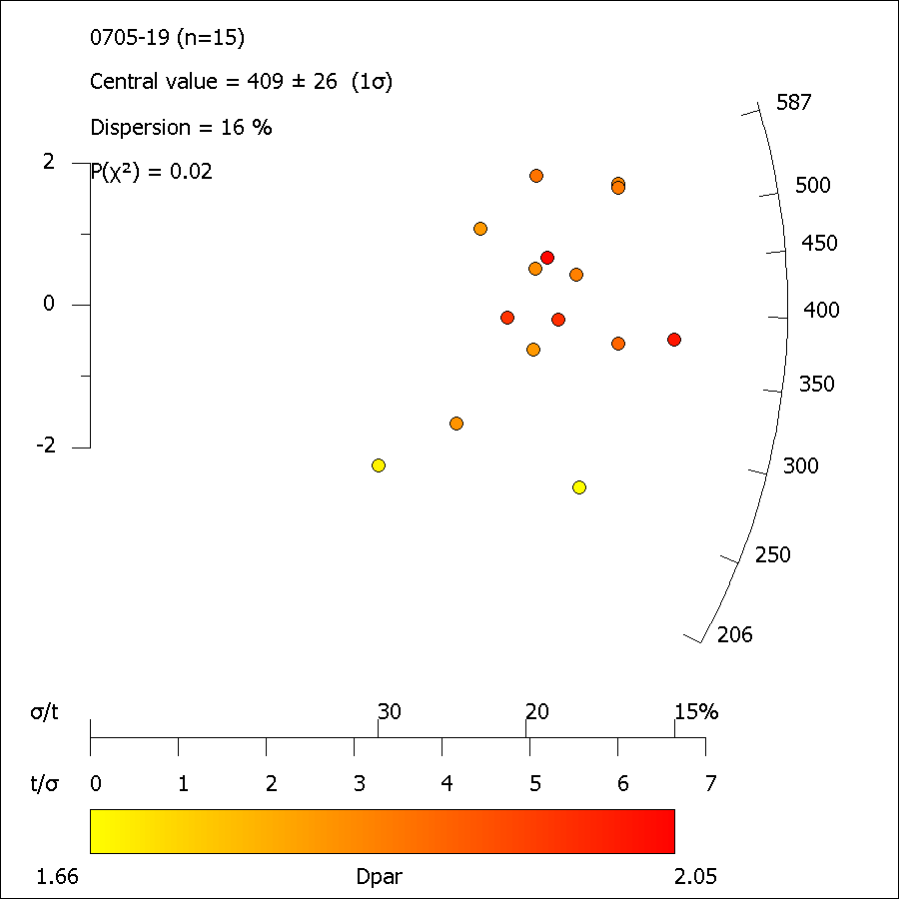

0705-19_ft_length.xml
FastTracks: v3.0.13
Pixel Calibration X: | 0.087301587302

Length ID | Lapp (µm) | dz (µm) | LTrue (µm) | Azimuth | Dip | Angle to c-axis | Average Dpar (µm)
Length01-1 | 9.56 | 2.45 | 9.87 | 79.84 | 14.40 | 80.16 | 2.07
Length01b-1 | 12.90 | 3.93 | 13.48 | 67.12 | 16.93 | 68.17 | 2.07
Length02-1 | 12.66 | 1.47 | 12.74 | 66.30 | 6.63 | 66.47 | 1.60
Length02b-1 | 14.38 | 0.00 | 14.38 | 54.89 | 0.00 | 54.89 | 1.60
Length02c-1 | 11.24 | 0.49 | 11.26 | 57.91 | 2.50 | 57.94 | 1.60
Length03-1 | 13.97 | 1.47 | 14.05 | 56.29 | 6.02 | 56.50 | 2.25
Length04-1 | 13.91 | 0.00 | 13.91 | 86.48 | 0.00 | 86.48 | 2.19
Length05-1 | 13.28 | 0.49 | 13.29 | 21.01 | 2.12 | 21.11 | 1.96
Length06-1 | 10.97 | 1.47 | 11.07 | 82.82 | 7.64 | 82.88 | 2.12
Length06b-1 | 11.51 | 2.45 | 11.77 | 79.77 | 12.03 | 80.00 | 2.12
Length06d-1 | 14.63 | 0.00 | 14.63 | 49.67 | 0.00 | 49.67 | 2.12
Length07-1 | 14.22 | 0.98 | 14.25 | 62.47 | 3.95 | 62.54 | 2.02
Length08-1 | 13.15 | 2.45 | 13.38 | 67.50 | 10.57 | 67.90 | 2.16
Length08b-1 | 15.33 | 1.96 | 15.46 | 61.13 | 7.30 | 61.38 | 2.16
Length08c-1 | 11.49 | 0.00 | 11.49 | 73.07 | 0.00 | 73.07 | 2.16
Length09-1 | 10.53 | 2.94 | 10.93 | 73.32 | 15.62 | 73.95 | 1.76
Length10-1 | 11.84 | 0.00 | 11.84 | 73.85 | 0.00 | 73.85 | 1.76
Length10b-1 | 13.00 | 0.00 | 13.00 | 80.82 | 0.00 | 80.82 | 1.76
Length11-1 | 13.99 | 1.96 | 14.12 | 63.88 | 7.99 | 64.16 | 1.66
Length12-1 | 15.73 | 0.00 | 15.73 | 86.41 | 0.00 | 86.41 | 2.01
Length12b-1 | 14.42 | 0.49 | 14.43 | 19.72 | 1.95 | 19.81 | 2.01
Length12c-1 | 14.25 | 0.00 | 14.25 | 19.89 | 0.00 | 19.89 | 2.01
Length12d-1 | 12.48 | 3.44 | 12.94 | 44.38 | 15.40 | 46.44 | 2.01
Length12e-1 | 12.19 | 0.98 | 12.23 | 76.00 | 4.61 | 76.05 | 2.01
Length13-1 | 13.21 | 4.42 | 13.93 | 71.85 | 18.49 | 72.82 | 2.46
Length14-1 | 7.24 | 0.49 | 7.26 | 61.26 | 3.88 | 61.34 | 1.78
Length15-1 | 11.84 | 1.47 | 11.93 | 81.16 | 7.09 | 81.22 | 1.97
Length15b-1 | 13.72 | 0.49 | 13.73 | 20.51 | 2.05 | 20.61 | 1.97
Length16-1 | 14.61 | 0.49 | 14.62 | 54.69 | 1.92 | 54.71 | 2.04
Length17-1 | 12.83 | 0.00 | 12.83 | 86.00 | 0.00 | 86.00 | 1.93
Length18-1 | 13.73 | 0.00 | 13.73 | 74.55 | 0.00 | 74.55 | 2.04
Length19-1 | 14.49 | 0.49 | 14.50 | 84.39 | 1.94 | 84.39 | 2.29
Length20-1 | 12.81 | 1.47 | 12.90 | 68.97 | 6.56 | 69.12 | 2.27
Length20b-1 | 12.56 | 3.93 | 13.16 | 37.63 | 17.35 | 40.89 | 2.27
Length20c-1 | 12.06 | 4.42 | 12.84 | 33.07 | 20.12 | 38.11 | 2.27
Length21-1 | 12.63 | 0.00 | 12.63 | 71.11 | 0.00 | 71.11 | 1.82
Length22-1 | 12.42 | 2.94 | 12.77 | 74.42 | 13.34 | 74.85 | 2.04
Length22b-1 | 13.78 | 0.00 | 13.78 | 83.01 | 0.00 | 83.01 | 2.04
Length23-1 | 14.80 | 0.98 | 14.84 | 22.89 | 3.79 | 23.19 | 2.31
Length23b-1 | 13.43 | 3.93 | 14.00 | 53.03 | 16.29 | 54.74 | 2.31
Length24-1 | 11.65 | 0.98 | 11.69 | 75.66 | 4.82 | 75.71 | 1.68
Length25-1 | 12.35 | 1.96 | 12.51 | 37.00 | 9.03 | 37.93 | 1.88
Length25b-1 | 13.59 | 2.45 | 13.81 | 71.78 | 10.24 | 72.08 | 1.88
Length26-1 | 14.31 | 0.00 | 14.31 | 56.71 | 0.00 | 56.71 | 2.06
Length27-1 | 12.43 | 2.45 | 12.67 | 49.59 | 11.17 | 50.51 | 2.42
Length28-1 | 12.47 | 0.00 | 12.47 | 80.36 | 0.00 | 80.36 | 1.91
Length29-1 | 12.25 | 0.98 | 12.28 | 66.77 | 4.58 | 66.85 | 2.04
Length30-1 | 13.44 | 0.98 | 13.48 | 62.65 | 4.18 | 62.73 | 2.14
Length01-1 | 12.98 | 5.40 | 14.05 | 41.15 | 22.59 | 45.96 | 1.77
Length01b-1 | 15.05 | 0.00 | 15.05 | 29.65 | 0.00 | 29.65 | 1.77
Length03-1 | 15.53 | 0.49 | 15.54 | 9.04 | 1.81 | 9.21 | 2.71
Length03b-1 | 13.57 | 0.00 | 13.57 | 80.28 | 0.00 | 80.28 | 2.71
Length04-1 | 9.89 | 0.00 | 9.89 | 68.42 | 0.00 | 68.42 | 1.77
Length07-1 | 14.92 | 0.49 | 14.92 | 43.63 | 1.88 | 43.66 | 1.83
Length07b-1 | 13.59 | 0.98 | 13.63 | 64.42 | 4.13 | 64.49 | 1.83
Length07c-1 | 14.21 | 0.98 | 14.24 | 86.80 | 3.95 | 86.81 | 1.83
Length07d-1 | 13.17 | 0.49 | 13.18 | 36.76 | 2.13 | 36.82 | 1.83
Length08-1 | 11.53 | 4.42 | 12.34 | 32.95 | 20.97 | 38.41 | 1.55
Length09-1 | 13.46 | 1.96 | 13.60 | 74.30 | 8.30 | 74.46 | 1.68
Length11-1 | 14.55 | 1.47 | 14.63 | 77.03 | 5.78 | 77.10 | 2.19
Length11c-1 | 9.88 | 0.00 | 9.88 | 26.87 | 0.00 | 26.87 | 2.19
Length11d-1 | 11.00 | 0.49 | 11.02 | 49.17 | 2.55 | 49.22 | 2.19
Length12-1 | 13.95 | 0.49 | 13.96 | 45.72 | 2.01 | 45.76 | 1.90
Length12b-1 | 10.88 | 0.49 | 10.89 | 34.20 | 2.58 | 34.28 | 1.90
Length12c-1 | 14.42 | 0.00 | 14.42 | 67.89 | 0.00 | 67.89 | 1.90
Length12d-1 | 15.96 | 1.47 | 16.03 | 73.96 | 5.27 | 74.03 | 1.90
Length12e-1 | 11.07 | 0.49 | 11.08 | 34.03 | 2.54 | 34.12 | 1.90
Length12f-1 | 10.80 | 0.49 | 10.82 | 35.52 | 2.60 | 35.61 | 1.90
Length12g-1 | 12.85 | 3.44 | 13.30 | 81.33 | 14.97 | 81.62 | 1.90
Length13-1 | 13.37 | 0.49 | 13.38 | 77.69 | 2.10 | 77.70 | 1.95
Length14-1 | 8.68 | 0.00 | 8.68 | 36.99 | 0.00 | 36.99 | 2.23
Length15-1 | 13.64 | 3.44 | 14.06 | 70.67 | 14.14 | 71.28 | 1.97
Length15b-1 | 7.34 | 1.96 | 7.60 | 45.00 | 14.97 | 46.91 | 1.97
Length16-1 | 11.90 | 3.44 | 12.39 | 80.39 | 16.10 | 80.77 | 1.85
Length17-1 | 14.72 | 1.96 | 14.85 | 44.57 | 7.60 | 45.08 | 1.74
Length17b-1 | 8.56 | 1.47 | 8.69 | 59.42 | 9.76 | 59.91 | 1.74
Length17c-1 | 14.37 | 3.93 | 14.90 | 67.54 | 15.28 | 68.38 | 1.74
Length18-1 | 13.62 | 0.98 | 13.65 | 31.38 | 4.12 | 31.62 | 1.42
Length19-1 | 14.16 | 1.96 | 14.30 | 56.35 | 7.89 | 56.71 | 2.03
Length20-1 | 12.54 | 2.94 | 12.88 | 74.04 | 13.22 | 74.47 | 1.84
Length21-1 | 13.32 | 0.00 | 13.32 | 81.52 | 0.00 | 81.52 | 1.84
Length22-1 | 11.71 | 2.45 | 11.96 | 2.21 | 11.84 | 12.04 | 2.00
Length22b-1 | 10.90 | 0.98 | 10.94 | 31.70 | 5.15 | 32.07 | 2.00

UW98-17
Sample: |  | UW98-17 |  |  |  |  | Analyst: |  | vmackintosh

Rock Type: |  |  |  |  |  |  | Mineral: |  | Apatite
Longitude/Latitude: |  |  |  |  |  |  | Elevation (m):
Calibration X/Y (µm/px): |  |  | 0.0873/0.0873 |  |  |  | 238U Standard: |  | NST-612
Date analysed: |  |  | 06-Apr-2018 |  |  |  | Software: |  | FastTracks v3.0.13

No. | NS | Area (cm2) | ρS (cm-2) | 238U(ppm) | ± | 1σ | Dpar (µm) | Age (Ma) | ± | 1σ | Length (µm) | #
1 | 75 | 1.862E-05 | 4.027E+06 | 13.10 | ± | 1.30 | 1.42 ± 0.21 | 636.5 | ± | 96.9 | 0–1 | 0
2 | 50 | 1.156E-05 | 4.324E+06 | 20.30 | ± | 2.50 | 1.63 ± 0.15 | 447.6 | ± | 83.9 | 1–2 | 0
3 | 14 | 8.203E-06 | 1.707E+06 | 9.60 | ± | 1.10 | 1.65 ± 0.17 | 375.8 | ± | 109.3 | 2–3 | 0
4 | 52 | 1.823E-05 | 2.853E+06 | 13.30 | ± | 1.50 | 1.31 ± 0.15 | 450.7 | ± | 80.6 | 3–4 | 0
5 | 36 | 2.085E-05 | 1.727E+06 | 10.30 | ± | 1.30 | 1.33 ± 0.25 | 354.9 | ± | 74.2 | 4–5 | 0
6 | 40 | 2.351E-05 | 1.701E+06 | 11.70 | ± | 1.60 | 1.40 ± 0.37 | 308.9 | ± | 64.6 | 5–6 | 0
7 | 61 | 1.843E-05 | 3.310E+06 | 16.80 | ± | 2.20 | 1.74 ± 0.18 | 415.1 | ± | 76.0 | 6–7 | 0
8 | 99 | 4.012E-05 | 2.468E+06 | 12.40 | ± | 1.30 | 1.48 ± 0.15 | 419.2 | ± | 60.9 | 7–8 | 1
9 | 90 | 2.536E-05 | 3.549E+06 | 19.10 | ± | 1.90 | 1.47 ± 0.18 | 392.2 | ± | 56.8 | 8–9 | 0
10 | 42 | 1.414E-05 | 2.970E+06 | 11.00 | ± | 1.50 | 1.33 ± 0.15 | 562.3 | ± | 115.8 | 9–10 | 2
11 | 23 | 1.102E-05 | 2.086E+06 | 10.60 | ± | 1.00 | 1.30 ± 0.05 | 414.6 | ± | 94.9 | 10–11 | 9
12 | 58 | 2.289E-05 | 2.533E+06 | 16.90 | ± | 1.90 | 1.58 ± 0.21 | 318.2 | ± | 55.0 | 11–12 | 20
13 | 42 | 9.200E-06 | 4.565E+06 | 28.60 | ± | 3.70 | 1.47 ± 0.42 | 338.3 | ± | 68.1 | 12–13 | 33
 | 682 | 2.421E-04 | 2.909E+06 | 14.90 | ± | 5.38a | 1.47 ± 0.14a |  |  |  | 13–14 | 27
a Standard deviation of mean |  |  |  |  |  |  |  |  |  |  | 14–15 | 16
 |  |  |  |  |  |  |  |  |  |  | 15–16 | 2
 |  |  |  |  |  |  |  |  |  |  | 16–17 | 0
 |  |  |  |  |  | Pooled Age = |  | 410.3 | ± | 27.0 Ma | 17–18 | 0
 |  |  |  |  |  | Central Age = |  | 415.6 | ± | 25.0 Ma | 18–19 | 0
 |  |  |  |  |  |  |  |  |  |  | 19–20 | 0
 |  |  |  |  |  |  |  |  |  |  | MTL = 12.65
 |  |  |  |  |  |  |  |  |  |  | Var = 0.13
 |  |  |  |  |  |  |  |  |  |  | SD = 1.35
 |  |  |  |  |  |  |  |  |  |  | No. = 110
 | 0
 | 0
 | 0
 | 0
 | 0
 | 0
 | 0
 | 1
 | 0
 | 2
 | 9
 | 20
 | 33
 | 27
 | 16
 | 2
 | 0
 | 0
 | 0
 | 0
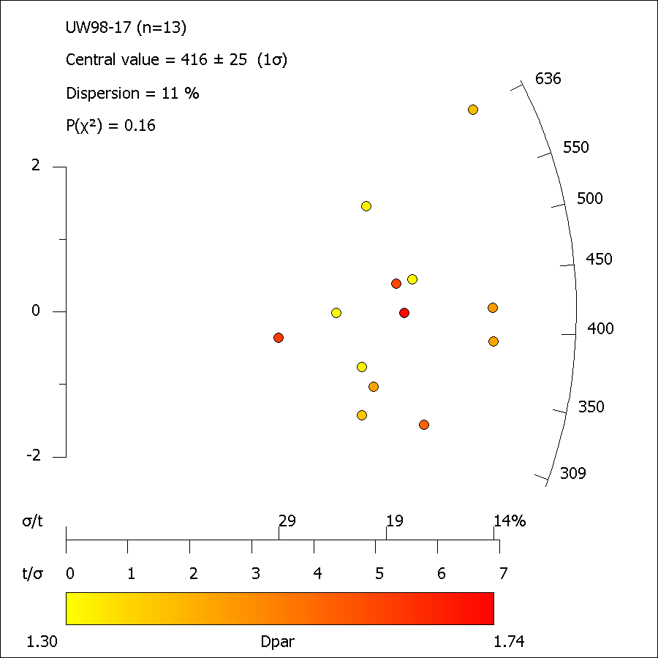

UW98-17_ft_length.xml
FastTracks: v3.0.13
Pixel Calibration X: | 0.087301587302

Length ID | Lapp (µm) | dz (µm) | LTrue (µm) | Azimuth | Dip | Angle to c-axis | Average Dpar (µm)
Length01-1 | 12.71 | 0.98 | 12.75 | 26.25 | 4.42 | 26.59 | 1.87
Length02-1 | 10.73 | 0.49 | 10.74 | 59.65 | 2.62 | 59.68 | 1.64
Length03-1 | 13.05 | 0.98 | 13.08 | 16.03 | 4.30 | 16.58 | 1.87
Length04-1 | 12.14 | 0.98 | 12.18 | 61.00 | 4.62 | 61.10 | 1.68
Length04b-1 | 11.17 | 1.47 | 11.27 | 63.99 | 7.51 | 64.23 | 1.68
Length05-1 | 13.07 | 1.47 | 13.15 | 51.37 | 6.43 | 51.66 | 1.48
Length06-1 | 13.12 | 0.00 | 13.12 | 46.04 | 0.00 | 46.04 | 1.57
Length06b-1 | 11.50 | 2.94 | 11.87 | 51.73 | 14.36 | 53.13 | 1.57
Length07-1 | 12.52 | 1.47 | 12.61 | 72.74 | 6.71 | 72.86 | 1.84
Length07b-1 | 12.96 | 2.94 | 13.29 | 42.14 | 12.80 | 43.69 | 1.84
Length08-1 | 12.14 | 2.94 | 12.49 | 68.75 | 13.63 | 69.38 | 1.51
Length09-1 | 11.79 | 0.49 | 11.80 | 74.67 | 2.38 | 74.69 | 1.70
Length09b-1 | 13.91 | 0.49 | 13.92 | 77.38 | 2.02 | 77.38 | 1.70
Length10-1 | 12.03 | 0.49 | 12.04 | 74.88 | 2.34 | 74.90 | 1.55
Length10c-1 | 14.87 | 0.98 | 14.90 | 50.81 | 3.78 | 50.91 | 1.55
Length11-1 | 13.70 | 1.47 | 13.78 | 38.05 | 6.13 | 38.47 | 1.57
Length11b-1 | 13.61 | 0.98 | 13.64 | 53.03 | 4.13 | 53.14 | 1.57
Length11c-1 | 13.03 | 0.00 | 13.03 | 58.31 | 0.00 | 58.31 | 1.57
Length13-1 | 12.23 | 0.00 | 12.23 | 59.28 | 0.00 | 59.28 | 1.81
Length13b-1 | 12.33 | 0.00 | 12.33 | 66.20 | 0.00 | 66.20 | 1.81
Length14-1 | 13.93 | 0.98 | 13.96 | 29.78 | 4.03 | 30.03 | 1.84
Length14b-1 | 13.66 | 0.49 | 13.67 | 38.80 | 2.06 | 38.84 | 1.84
Length14c-1 | 13.50 | 3.93 | 14.06 | 65.74 | 16.22 | 66.76 | 1.84
Length15-1 | 9.56 | 1.96 | 9.76 | 67.30 | 11.61 | 67.79 | 1.74
Length16-1 | 12.15 | 1.96 | 12.31 | 71.36 | 9.18 | 71.61 | 2.14
Length16b-1 | 13.53 | 0.00 | 13.53 | 37.91 | 0.00 | 37.91 | 2.14
Length16c-1 | 12.40 | 2.45 | 12.64 | 46.61 | 11.20 | 47.63 | 2.14
Length17-1 | 13.87 | 4.42 | 14.56 | 57.23 | 17.66 | 58.95 | 1.61
Length17b-1 | 14.93 | 0.49 | 14.94 | 63.72 | 1.88 | 63.74 | 1.61
Length18-1 | 12.87 | 5.40 | 13.95 | 69.76 | 22.77 | 71.40 | 1.62
Length19-1 | 10.80 | 2.45 | 11.08 | 56.44 | 12.80 | 57.38 | 1.76
Length19b-1 | 14.41 | 1.47 | 14.49 | 47.26 | 5.83 | 47.53 | 1.76
Length20-1 | 13.05 | 0.98 | 13.08 | 61.42 | 4.30 | 61.51 | 1.65
Length20b-1 | 11.77 | 2.94 | 12.13 | 42.17 | 14.05 | 44.03 | 1.65
Length21-1 | 13.68 | 1.47 | 13.76 | 78.25 | 6.14 | 78.32 | 2.08
Length22-1 | 12.76 | 1.47 | 12.84 | 60.63 | 6.58 | 60.84 | 1.52
Length23-1 | 11.68 | 2.45 | 11.93 | 55.50 | 11.87 | 56.34 | 1.63
Length23b-1 | 15.02 | 0.98 | 15.05 | 37.20 | 3.74 | 37.36 | 1.63
Length23c-1 | 10.40 | 2.94 | 10.81 | 86.29 | 15.81 | 86.43 | 1.63
Length24-1 | 14.00 | 0.98 | 14.04 | 59.05 | 4.01 | 59.14 | 1.82
Length25-1 | 11.84 | 1.47 | 11.93 | 79.89 | 7.09 | 79.97 | 1.71
Length25b-1 | 9.43 | 0.00 | 9.43 | 40.95 | 0.00 | 40.95 | 1.71
Length26-1 | 12.11 | 2.94 | 12.46 | 77.90 | 13.67 | 78.25 | 1.64
Length27-1 | 12.89 | 0.00 | 12.89 | 69.84 | 0.00 | 69.84 | 1.62
Length27b-1 | 14.51 | 1.47 | 14.58 | 35.71 | 5.79 | 36.12 | 1.62
Length28-1 | 12.92 | 0.49 | 12.93 | 57.76 | 2.17 | 57.78 | 1.50
Length30-1 | 13.04 | 1.47 | 13.12 | 73.01 | 6.44 | 73.12 | 1.78
Length31-1 | 13.17 | 0.00 | 13.17 | 65.65 | 0.00 | 65.65 | 1.77
Length32-1 | 12.72 | 0.49 | 12.73 | 73.84 | 2.21 | 73.85 | 1.70
Length33-1 | 13.65 | 1.96 | 13.79 | 82.09 | 8.18 | 82.17 | 1.80
Length35-1 | 11.67 | 0.49 | 11.68 | 72.36 | 2.41 | 72.38 | 1.62
Length37-1 | 11.09 | 0.00 | 11.09 | 55.64 | 0.00 | 55.64 | 1.76
Length37b-1 | 11.21 | 0.00 | 11.21 | 56.84 | 0.00 | 56.84 | 1.76
Length37c-1 | 12.40 | 2.45 | 12.64 | 49.08 | 11.19 | 50.02 | 1.76
Length38-1 | 12.33 | 1.47 | 12.42 | 61.25 | 6.81 | 61.47 | 1.81
Length38b-1 | 13.31 | 1.47 | 13.39 | 78.78 | 6.31 | 78.85 | 1.81
Length39b-1 | 13.21 | 2.94 | 13.54 | 42.48 | 12.57 | 43.96 | 1.79
Length40-1 | 10.78 | 0.00 | 10.78 | 78.90 | 0.00 | 78.90 | 1.75
Length41-1 | 12.63 | 1.96 | 12.78 | 73.89 | 8.83 | 74.08 | 1.78
Length43-1 | 14.59 | 2.45 | 14.79 | 33.53 | 9.55 | 34.71 | 1.66
Length43b-1 | 14.19 | 0.00 | 14.19 | 30.73 | 0.00 | 30.73 | 1.66
Length44-1 | 12.54 | 0.00 | 12.54 | 49.73 | 0.00 | 49.73 | 1.54
Length45-1 | 12.52 | 1.47 | 12.61 | 62.91 | 6.71 | 63.12 | 1.77
Length01-1 | 12.65 | 3.44 | 13.11 | 67.30 | 15.19 | 68.14 | 1.89
Length01b-1 | 11.23 | 3.44 | 11.75 | 83.62 | 17.01 | 83.90 | 1.89
Length02-1 | 11.87 | 0.49 | 11.88 | 55.24 | 2.37 | 55.27 | 1.40
Length03-1 | 12.33 | 0.49 | 12.34 | 69.28 | 2.28 | 69.30 | 1.49
Length04-1 | 14.61 | 1.47 | 14.68 | 45.25 | 5.76 | 45.54 | 1.77
Length05-1 | 10.31 | 1.96 | 10.50 | 87.57 | 10.78 | 87.62 | 1.53
Length05b-1 | 13.80 | 1.96 | 13.94 | 78.69 | 8.10 | 78.80 | 1.53
Length06-1 | 12.37 | 2.45 | 12.62 | 44.56 | 11.22 | 45.67 | 1.76
Length06b-1 | 13.25 | 0.98 | 13.29 | 69.85 | 4.24 | 69.91 | 1.76
Length07-1 | 10.39 | 1.47 | 10.49 | 61.32 | 8.07 | 61.63 | 1.62
Length07b-1 | 14.46 | 0.00 | 14.46 | 85.07 | 0.00 | 85.07 | 1.62
Length07c-1 | 11.99 | 0.00 | 11.99 | 85.04 | 0.00 | 85.04 | 1.62
Length08-1 | 12.65 | 0.00 | 12.65 | 66.93 | 0.00 | 66.93 | 1.75
Length10b-1 | 12.94 | 2.94 | 13.27 | 43.70 | 12.83 | 45.18 | 1.93
Length11-1 | 12.10 | 1.47 | 12.19 | 57.18 | 6.94 | 57.45 | 1.88
Length11b-1 | 11.79 | 0.49 | 11.80 | 28.29 | 2.38 | 28.38 | 1.88
Length12-1 | 11.19 | 0.00 | 11.19 | 78.06 | 0.00 | 78.06 | 1.49
Length12b-1 | 12.17 | 0.98 | 12.21 | 63.02 | 4.61 | 63.12 | 1.49
Length13-1 | 14.22 | 0.98 | 14.25 | 22.09 | 3.95 | 22.42 | 1.68
Length14-1 | 9.39 | 3.44 | 10.00 | 24.66 | 20.09 | 31.40 | 1.68
Length15-1 | 12.71 | 0.00 | 12.71 | 56.22 | 0.00 | 56.22 | 1.68
Length16-1 | 7.73 | 0.98 | 7.80 | 58.26 | 7.23 | 58.54 | 1.82
Length17-1 | 11.00 | 1.96 | 11.18 | 79.07 | 10.12 | 79.24 | 1.68
Length17b-1 | 14.82 | 1.47 | 14.90 | 80.07 | 5.67 | 80.12 | 1.68
Length17c-1 | 11.94 | 1.96 | 12.10 | 64.01 | 9.34 | 64.38 | 1.68
Length19-1 | 10.52 | 1.47 | 10.62 | 77.87 | 7.97 | 77.99 | 1.85
Length19b-1 | 13.98 | 1.47 | 14.05 | 60.71 | 6.01 | 60.88 | 1.85
Length19c-1 | 11.82 | 1.47 | 11.91 | 64.14 | 7.10 | 64.35 | 1.85
Length20-1 | 11.10 | 0.49 | 11.11 | 74.55 | 2.53 | 74.57 | 1.95
Length21-1 | 12.76 | 0.49 | 12.77 | 63.03 | 2.20 | 63.05 | 1.76
Length21b-1 | 15.08 | 1.47 | 15.15 | 45.45 | 5.58 | 45.72 | 1.76
Length22-1 | 14.43 | 0.98 | 14.46 | 78.86 | 3.89 | 78.89 | 1.48
Length23-1 | 12.89 | 0.00 | 12.89 | 63.91 | 0.00 | 63.91 | 1.50
Length23b-1 | 13.36 | 0.00 | 13.36 | 51.86 | 0.00 | 51.86 | 1.50
Length23c-1 | 13.19 | 0.49 | 13.20 | 51.08 | 2.13 | 51.12 | 1.50
Length23d-1 | 14.08 | 1.96 | 14.22 | 56.58 | 7.94 | 56.94 | 1.50
Length24-1 | 11.21 | 0.49 | 11.22 | 69.29 | 2.51 | 69.31 | 1.72
Length25-1 | 10.96 | 0.98 | 11.01 | 70.11 | 5.12 | 70.19 | 1.56
Length25b-1 | 10.38 | 0.49 | 10.39 | 63.89 | 2.71 | 63.92 | 1.56
Length26-1 | 12.89 | 0.49 | 12.90 | 79.55 | 2.18 | 79.56 | 1.68
Length26b-1 | 12.30 | 1.47 | 12.39 | 45.77 | 6.82 | 46.17 | 1.68
Length26c-1 | 12.29 | 1.47 | 12.37 | 48.09 | 6.83 | 48.45 | 1.68
Length26d-1 | 12.37 | 0.00 | 12.37 | 83.40 | 0.00 | 83.40 | 1.68
Length27-1 | 10.51 | 1.96 | 10.69 | 80.66 | 10.58 | 80.82 | 1.61
Length30b-1 | 11.80 | 0.00 | 11.80 | 72.34 | 0.00 | 72.34 | 1.48
Length30e-1 | 13.66 | 1.96 | 13.80 | 42.77 | 8.18 | 43.39 | 1.48
Length31-1 | 13.46 | 1.96 | 13.60 | 11.18 | 8.30 | 13.89 | 1.57

UW98-23
Sample: |  | UW98-23 |  |  |  |  | Analyst: |  | vmackintosh

Rock Type: |  |  |  |  |  |  | Mineral: |  | Apatite
Longitude/Latitude: |  |  |  |  |  |  | Elevation (m):
Calibration X/Y (µm/px): |  |  | 0.0873/0.0873 |  |  |  | 238U Standard: |  | NIST612
Date analysed: |  |  | 06-Apr-2018 |  |  |  | Software: |  | FastTracks v3.0.13

No. | NS | Area (cm2) | ρS (cm-2) | 238U(ppm) | ± | 1σ | Dpar (µm) | Age (Ma) | ± | 1σ | Length (µm) | #
1 | 126 | 3.981E-05 | 3.165E+06 | 30.30 | ± | 3.10 | 1.57 ± 0.19 | 223.40 | ± | 30.31 | 0–1 | 0
2 | 32 | 1.510E-05 | 2.119E+06 | 18.00 | ± | 2.40 | 1.17 ± 0.26 | 251.22 | ± | 55.63 | 1–2 | 0
3 | 13 | 1.473E-05 | 8.823E+05 | 15.50 | ± | 1.10 | 1.35 ± 0.08 | 122.70 | ± | 35.13 | 2–3 | 0
4 | 13 | 2.292E-05 | 5.672E+05 | 5.23 | ± | 0.60 | 1.65 ± 0.22 | 231.79 | ± | 69.57 | 3–4 | 0
5 | 6 | 2.397E-05 | 2.503E+05 | 1.09 | ± | 0.24 | 1.57 ± 0.17 | 481.30 | ± | 223.24 | 4–5 | 0
6 | 88 | 2.032E-05 | 4.331E+06 | 16.60 | ± | 2.90 | 1.68 ± 0.16 | 544.14 | ± | 111.36 | 5–6 | 0
7 | 84 | 3.894E-05 | 2.157E+06 | 16.40 | ± | 1.70 | 1.32 ± 0.22 | 280.05 | ± | 42.15 | 6–7 | 0
8 | 174 | 5.888E-05 | 2.955E+06 | 17.20 | ± | 1.90 | 1.32 ± 0.21 | 363.43 | ± | 48.69 | 7–8 | 1
 | 536 | 2.347E-04 | 2.053E+06 | 15.04 | ± | 8.8a | 1.45 ± 0.19a |  |  |  | 8–9 | 1
a Standard deviation of mean |  |  |  |  |  |  |  |  |  |  | 9–10 | 1
 |  |  |  |  |  |  |  |  |  |  | 10–11 | 7
 |  |  |  |  |  |  |  |  |  |  | 11–12 | 16
 |  |  |  |  |  | Pooled Age = |  | 296.7 | ± | 45.5 Ma | 12–13 | 23
 |  |  |  |  |  | Central Age = |  | 282.3 | ± | 40.0 Ma | 13–14 | 19
 |  |  |  |  |  |  |  |  |  |  | 14–15 | 10
 |  |  |  |  |  |  |  |  |  |  | 15–16 | 2
 |  |  |  |  |  |  |  |  |  |  | 16–17 | 0
 |  |  |  |  |  |  |  |  |  |  | 17–18 | 0
 |  |  |  |  |  |  |  |  |  |  | 18–19 | 0
 |  |  |  |  |  |  |  |  |  |  | 19–20 | 0
 |  |  |  |  |  |  |  |  |  |  | MTL = 12.5
 |  |  |  |  |  |  |  |  |  |  | Var = 0.16
 | 0
 | 0
 | 0
 | 0
 | 0
 | 0
 | 0
 | 1
 | 1
 | 1
 | 7
 | 16
 | 23
 | 19
 | 10
 | 2
 | 0
 | 0
 | 0
 | 0
 |  |  |  |  |  |  |  |  |  |  | SD = 1.47
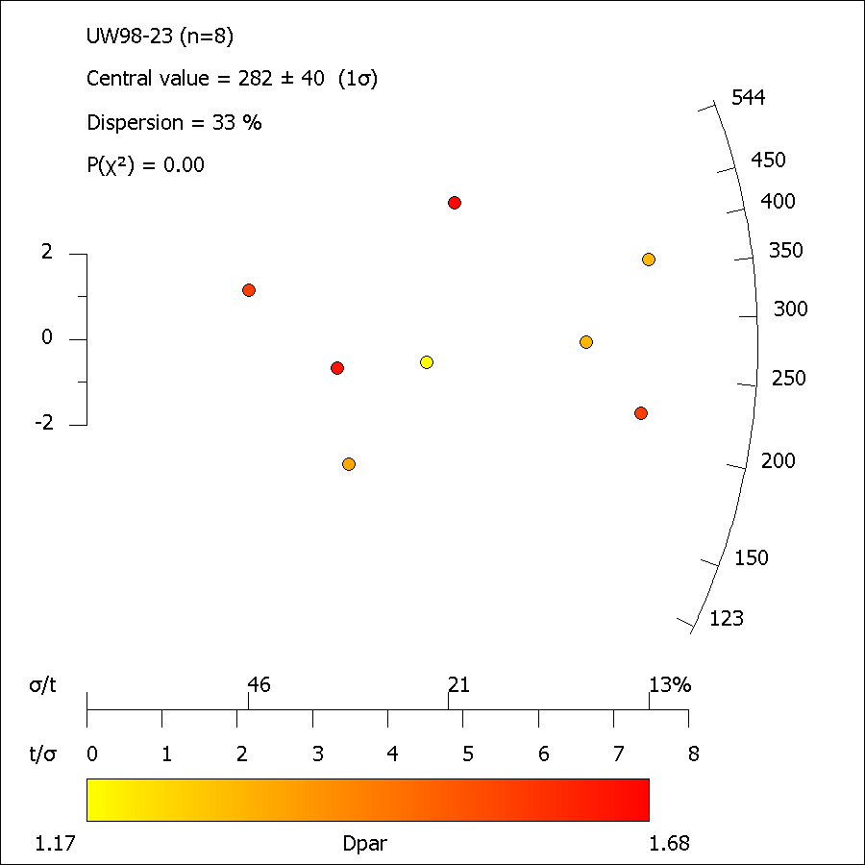
 |  |  |  |  |  |  |  |  |  |  | No. = 80

UW98-23_ft_length.xml
FastTracks: v3.0.13
Pixel Calibration X: | 0.087301587302

Length ID | Lapp (µm) | dz (µm) | LTrue (µm) | Azimuth | Dip | Angle to c-axis | Average Dpar (µm)
Length01-1 | 10.69 | 1.96 | 10.87 | 54.35 | 10.41 | 55.02 | 1.84
Length02-1 | 10.15 | 0.00 | 10.15 | 61.55 | 0.00 | 61.55 | 1.57
Length03-1 | 14.25 | 0.00 | 14.25 | 67.76 | 0.00 | 67.76 | 1.29
Length03b-1 | 13.27 | 1.96 | 13.41 | 78.15 | 8.42 | 78.28 | 1.29
Length04-1 | 12.15 | 0.49 | 12.16 | 80.38 | 2.31 | 80.38 | 1.56
Length05-1 | 11.99 | 2.45 | 12.24 | 76.55 | 11.57 | 76.83 | 1.33
Length06-1 | 14.04 | 1.47 | 14.12 | 59.79 | 5.99 | 59.97 | 1.68
Length07-1 | 13.45 | 0.00 | 13.45 | 59.96 | 0.00 | 59.96 | 1.47
Length07b-1 | 14.51 | 1.96 | 14.64 | 43.51 | 7.71 | 44.05 | 1.47
Length08-1 | 14.50 | 0.00 | 14.50 | 58.96 | 0.00 | 58.96 | -
Length10-1 | 14.58 | 0.98 | 14.61 | 59.58 | 3.85 | 59.66 | 1.61
Length11-1 | 12.75 | 0.00 | 12.75 | 56.50 | 0.00 | 56.50 | 1.43
Length11b-1 | 15.48 | 0.00 | 15.48 | 45.69 | 0.00 | 45.69 | 1.43
Length12-1 | 12.31 | 0.00 | 12.31 | 73.36 | 0.00 | 73.36 | 1.68
Length13-1 | 13.52 | 0.98 | 13.56 | 78.26 | 4.15 | 78.29 | 1.66
Length13b-1 | 11.53 | 1.47 | 11.63 | 26.65 | 7.28 | 27.55 | 1.66
Length14-1 | 11.40 | 0.49 | 11.41 | 58.01 | 2.46 | 58.04 | 1.43
Length14b-1 | 14.02 | 1.96 | 14.16 | 44.71 | 7.97 | 45.27 | 1.43
Length15-1 | 12.26 | 3.93 | 12.87 | 63.77 | 17.76 | 65.11 | 1.54
Length15b-1 | 11.93 | 1.47 | 12.02 | 29.18 | 7.04 | 29.94 | 1.54
Length16-1 | 12.08 | 3.44 | 12.56 | 67.95 | 15.88 | 68.83 | 1.53
Length16b-1 | 11.56 | 1.47 | 11.66 | 39.12 | 7.26 | 39.68 | 1.53
Length18-1 | 11.16 | 2.94 | 11.54 | 29.94 | 14.79 | 33.08 | 1.13
Length19b-1 | 14.21 | 0.00 | 14.21 | 45.60 | 0.00 | 45.60 | 1.44
Length19c-1 | 10.19 | 0.49 | 10.20 | 44.84 | 2.76 | 44.91 | 1.44
Length19d-1 | 12.13 | 2.45 | 12.37 | 64.45 | 11.44 | 64.99 | 1.44
Length20-1 | 14.82 | 1.47 | 14.90 | 44.67 | 5.67 | 44.95 | 1.44
Length21-1 | 11.41 | 0.00 | 11.41 | 76.39 | 0.00 | 76.39 | 1.87
Length22-1 | 14.45 | 0.00 | 14.45 | 22.54 | 0.00 | 22.54 | 1.64
Length22b-1 | 11.70 | 1.96 | 11.86 | 74.95 | 9.53 | 75.16 | 1.64
Length23-1 | 12.40 | 2.45 | 12.64 | 42.78 | 11.20 | 43.94 | 1.54
Length23b-1 | 13.68 | 2.45 | 13.90 | 21.18 | 10.17 | 23.39 | 1.54
Length23c-1 | 13.19 | 1.47 | 13.27 | 63.19 | 6.37 | 63.36 | 1.54
Length24-1 | 12.73 | 2.94 | 13.07 | 73.76 | 13.02 | 74.19 | 1.40
Length24b-1 | 12.10 | 2.45 | 12.35 | 82.59 | 11.46 | 82.73 | 1.40
Length25-1 | 10.21 | 1.96 | 10.40 | 51.88 | 10.88 | 52.68 | 1.62
Length01-1 | 13.09 | 0.00 | 13.09 | 34.44 | 0.00 | 34.44 | 1.82
Length02-1 | 13.00 | 1.47 | 13.09 | 47.65 | 6.46 | 47.98 | 1.38
Length03-1 | 11.62 | 1.96 | 11.79 | 75.13 | 9.59 | 75.34 | 1.21
Length04-1 | 10.00 | 0.49 | 10.01 | 38.15 | 2.81 | 38.24 | 1.60
Length05-1 | 11.87 | 1.47 | 11.97 | 72.68 | 7.07 | 72.81 | 1.57
Length06-1 | 12.47 | 0.00 | 12.47 | 68.92 | 0.00 | 68.92 | 1.54
Length06b-1 | 12.79 | 4.42 | 13.53 | 51.16 | 19.05 | 53.65 | 1.54
Length06c-1 | 11.13 | 0.98 | 11.17 | 41.51 | 5.04 | 41.76 | 1.54
Length07-1 | 11.21 | 0.00 | 11.21 | 50.32 | 0.00 | 50.32 | 1.16
Length08-1 | 10.73 | 1.47 | 10.83 | 61.67 | 7.81 | 61.96 | 1.41
Length09-1 | 11.00 | 1.96 | 11.18 | 48.12 | 10.12 | 48.91 | 1.39
Length09b-1 | 10.46 | 2.45 | 10.75 | 52.38 | 13.20 | 53.54 | 1.39
Length10-1 | 12.16 | 1.96 | 12.32 | 71.85 | 9.17 | 72.09 | 1.25
Length11-1 | 13.07 | 0.49 | 13.08 | 62.22 | 2.15 | 62.24 | 1.21
Length11b-1 | 12.65 | 0.98 | 12.69 | 68.49 | 4.44 | 68.56 | 1.21
Length11c-1 | 12.58 | 0.49 | 12.59 | 54.17 | 2.23 | 54.20 | 1.21
Length11d-1 | 11.21 | 4.42 | 12.05 | 68.88 | 21.51 | 70.41 | 1.21
Length13-1 | 12.87 | 1.47 | 12.96 | 49.58 | 6.53 | 49.89 | 1.39
Length13b-1 | 8.71 | 0.00 | 8.71 | 54.43 | 0.00 | 54.43 | 1.39
Length14-1 | 11.84 | 2.45 | 12.09 | 74.06 | 11.71 | 74.40 | 1.41
Length15-1 | 12.92 | 0.98 | 12.96 | 62.91 | 4.35 | 62.99 | 1.40
Length15b-1 | 13.94 | 0.00 | 13.94 | 25.41 | 0.00 | 25.41 | 1.40
Length15c-1 | 13.01 | 1.47 | 13.10 | 54.77 | 6.46 | 55.03 | 1.40
Length16-1 | 13.23 | 0.49 | 13.24 | 25.16 | 2.12 | 25.25 | 1.19
Length17-1 | 11.87 | 1.47 | 11.96 | 76.25 | 7.07 | 76.36 | 1.38
Length17b-1 | 12.21 | 4.42 | 12.98 | 86.80 | 19.89 | 86.99 | 1.38
Length17c-1 | 13.28 | 0.98 | 13.32 | 86.40 | 4.23 | 86.41 | 1.38
Length18-1 | 13.95 | 0.49 | 13.96 | 58.14 | 2.02 | 58.16 | 1.58
Length18b-1 | 12.35 | 1.96 | 12.50 | 21.16 | 9.03 | 22.92 | 1.58
...

UW98-27
...
No. | NS | Area (cm2) | ρS (cm-2) | 238U(ppm) | ± | 1σ | Dpar (µm) | Age (Ma) | ± | 1σ | Length (µm) | #
χ2 = 15.03 (14 degrees of freedom) |  |  |  |  |  |  |  |  |  |  | 18–19 | 0
P(χ2) = 37.61 % |  |  |  |  |  | Pooled Age = |  | 361.3 | ± | 13.7 Ma | 19–20 | 0
Dispersion = 3 % |  |  |  |  |  | Central Age = |  | 361.6 | ± | 13.1 Ma | MTL = 13.4
 |  |  |  |  |  |  |  |  |  |  | Var = 0.12
 |  |  |  |  |  |  |  |  |  |  | SD = 1.19
 |  |  |  |  |  |  |  |  |  |  | No. = 96

 | 0
 | 0
 | 0
 | 0
 | 0
 | 0
 | 0
 | 0
 | 0
 | 1
 | 3
 | 4
 | 25
 | 32
 | 25
 | 5
 | 1
 | 0
 | 0
 | 0
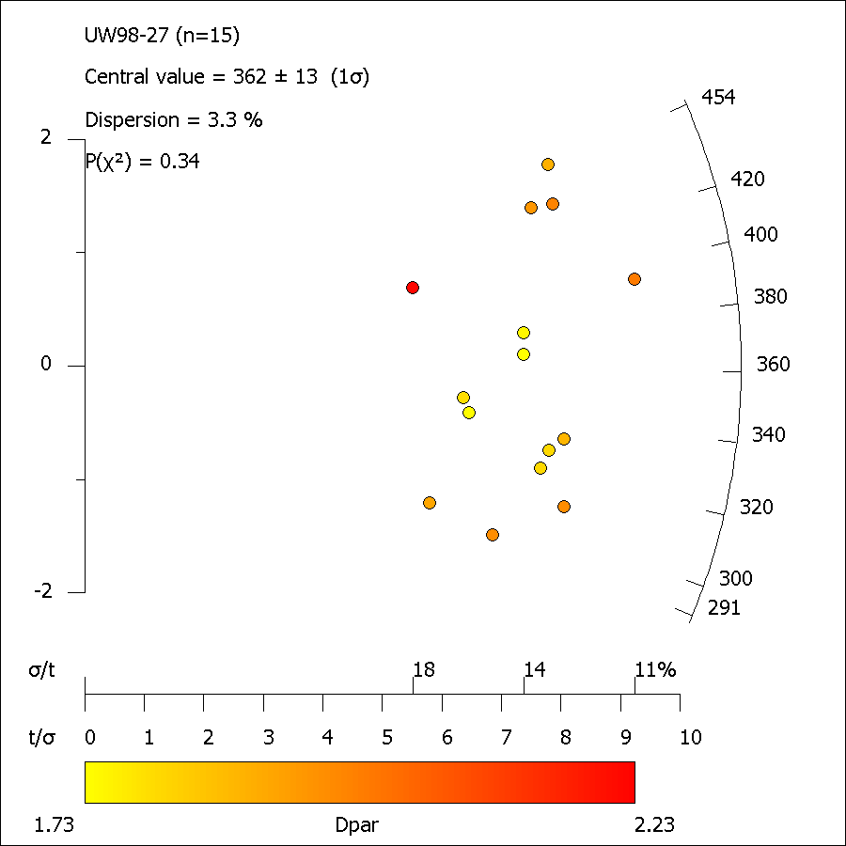

UW98-27_ft_length.xml
FastTracks: v3.0.13
Pixel Calibration X: | 0.087301587302

Length ID | Lapp (µm) | dz (µm) | LTrue (µm) | Azimuth | Dip | Angle to c-axis | Average Dpar (µm)
Length01-1 | 15.32 | 0.49 | 15.33 | 41.98 | 1.83 | 42.01 | 2.09
Length01c-1 | 13.81 | 0.49 | 13.82 | 36.18 | 2.04 | 36.23 | 2.09
...

UW98-28
...
No. | NS | Area (cm2) | ρS (cm-2) | 238U(ppm) | ± | 1σ | Dpar (µm) | Age (Ma) | ± | 1σ
 | 1002 | 3.474E-04 | 2.822E+06 | 19.78 | ± | 14.12a | 1.76 ± 0.08a
a Standard deviation of mean |  |  |  |  |  |  |  |  |  |  | 16–17 | 0
 |  |  |  |  |  |  |  |  |  |  | 17–18 | 0
 |  |  |  |  |  |  |  |  |  |  | 18–19 | 0
 |  |  |  |  |  | Pooled Age = |  | 307.7 | ± | 16.5 Ma | 19–20 | 0
 |  |  |  |  |  | Central Age = |  | 313.7 | ± | 14.5 Ma | MTL = 13.1
 |  |  |  |  |  |  |  |  |  |  | Var = 0.14
 |  |  |  |  |  |  |  |  |  |  | SD = 1.32
 |  |  |  |  |  |  |  |  |  |  | No. = 90

 | 0
 | 0
 | 0
 | 0
 | 0
 | 0
 | 0
 | 0
 | 0
 | 2
 | 5
 | 11
 | 22
 | 29
 | 14
 | 7
 | 0
 | 0
 | 0
 | 0
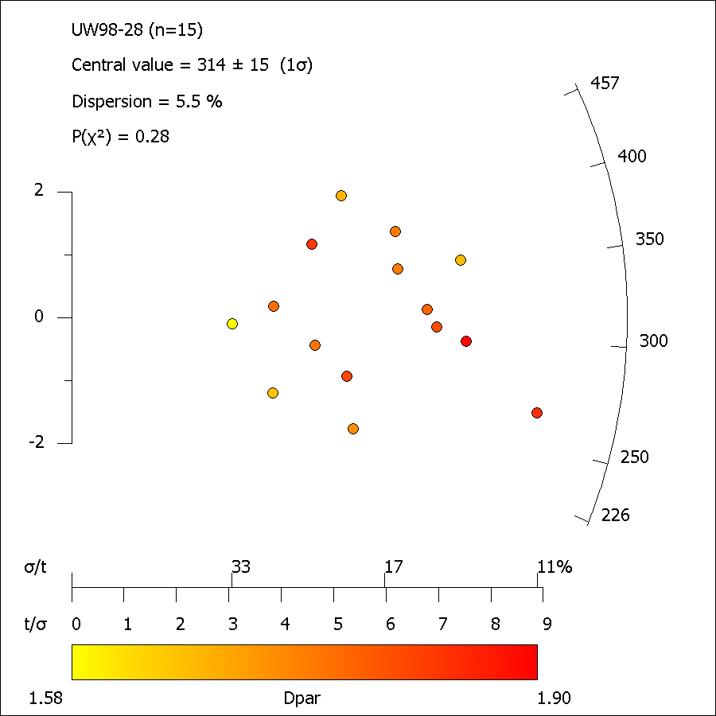

UW98-28_ft_length.xml
FastTracks: v3.0.13
Pixel Calibration X: | 0.087301587302

Length ID | Lapp (µm) | dz (µm) | LTrue (µm) | Azimuth | Dip | Angle to c-axis | Average Dpar (µm)
Length01-1 | 14.67 | 2.45 | 14.88 | 64.35 | 9.49 | 64.73 | 2.09
Length01b-1 | 14.31 | 0.00 | 14.31 | 21.14 | 0.00 | 21.14 | 2.09
Length01c-1 | 13.85 | 0.00 | 13.85 | 15.84 | 0.00 | 15.84 | 2.09
...

UW98-29
...
No. | NS | Area (cm2) | ρS (cm-2) | 238U(ppm) | ± | 1σ | Dpar (µm) | Age (Ma) | ± | 1σ
18 | 225 | 2.361E-05 | 9.530E+06 | 72.00 | ± | 10.00 | 1.73 ± 0.25 | 281.8 | ± | 43.4
19 | 96 | 2.004E-05 | 4.789E+06 | 43.60 | ± | 4.50 | 1.61 ± 0.24 | 234.7 | ± | 34.1 | 18–19 | 0
 | 2875 | 4.443E-04 | 6.477E+06 | 48.81 | ± | 14.01a | 1.61 ± 0.08a |  |  |  | 19–20 | 0
a Standard deviation of mean |  |  |  |  |  |  |  |  |  |  | MTL = 13.08
 |  |  |  |  |  |  |  |  |  |  | Var = 0.11
 |  |  |  |  |  |  |  |  |  |  | SD = 1.11
 |  |  |  |  |  | Pooled Age = |  | 278.0 | ± | 10.5 Ma | No. = 98
 |  |  |  |  |  | Central Age = |  | 283.6 | ± | 9.9 Ma

 | 0
 | 0
 | 0
 | 0
 | 0
 | 0
 | 0
 | 0
 | 1
 | 1
 | 3
 | 9
 | 25
 | 42
 | 15
 | 2
 | 0
 | 0
 | 0
 | 0
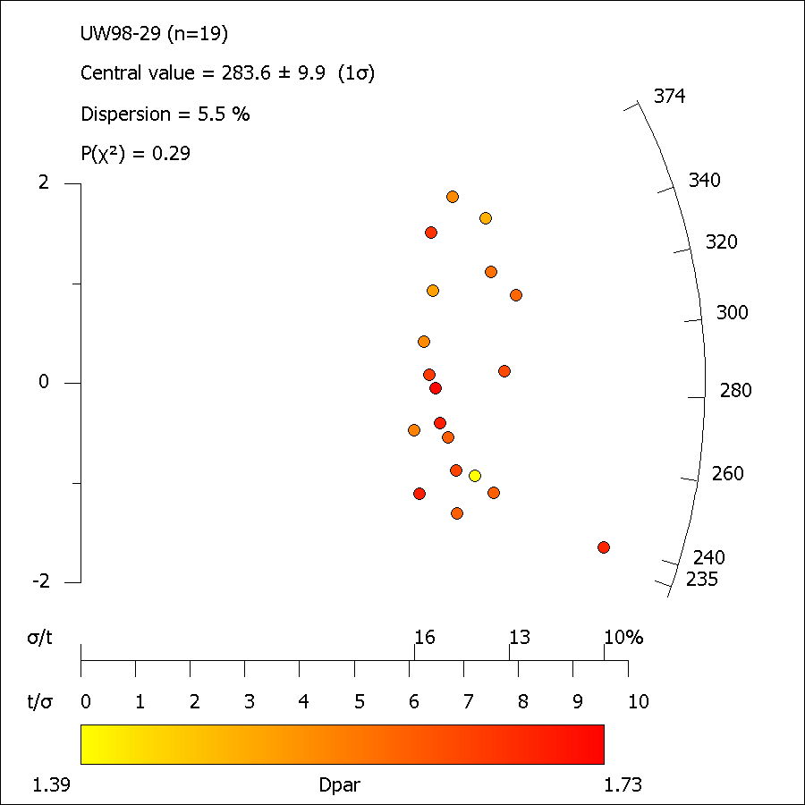

UW28-29_ft_length.xml
FastTracks: v3.0.13
Pixel Calibration X: | 0.087301587302

Length ID | Lapp (µm) | dz (µm) | LTrue (µm) | Azimuth | Dip | Angle to c-axis | Average Dpar (µm)
Length01-1 | 11.52 | 0.00 | 11.52 | 64.82 | 0.00 | 64.82 | 1.67
Length01b-1 | 13.14 | 3.44 | 13.59 | 45.15 | 14.65 | 46.97 | 1.67
Length02-1 | 13.72 | 0.49 | 13.73 | 43.86 | 2.05 | 43.90 | 1.84
...

UW98-41
...
No. | NS | Area (cm2) | ρS (cm-2) | 238U(ppm) | ± | 1σ | Dpar (µm) | Age (Ma) | ± | 1σ
 | 2033 | 5.163E-04 | 4.024E+06 | 23.37 | ± | 9.08a | 1.69 ± 0.17a
a Standard deviation of mean

 |  |  |  |  |  | Pooled Age = |  | 368.5 | ± | 14.2 Ma
 |  |  |  |  |  | Central Age = |  | 364.7 | ± | 13.6 Ma

 | 0
 | 1
 | 0
 | 0
 | 0
 | 0
 | 0
 | 0
 | 0
 | 0
 | 4
 | 10
 | 30
 | 23
 | 25
 | 4
 | 0
 | 0
 | 0
 | 0
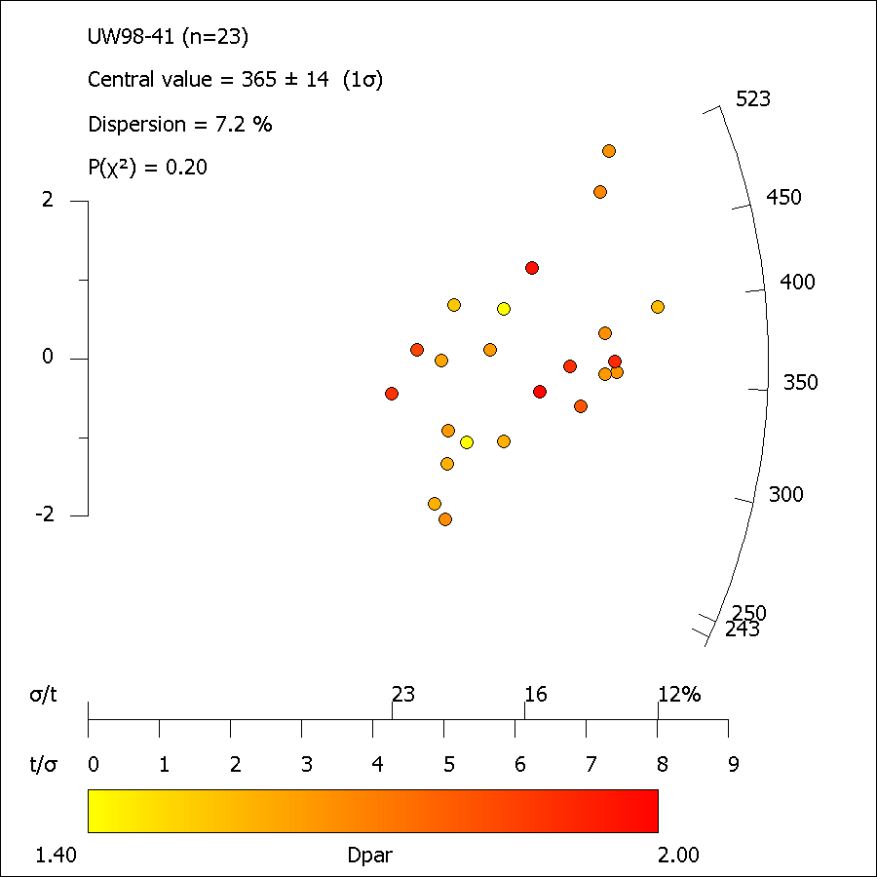

UW98-41_ft_length.xml
FastTracks: v3.0.13
Pixel Calibration X: | 0.087301587302

Length ID | Lapp (µm) | dz (µm) | LTrue (µm) | Azimuth | Dip | Angle to c-axis | Average Dpar (µm)
Length01-1 | 12.31 | 0.49 | 12.32 | 65.63 | 2.28 | 65.65 | 1.92
Length02-1 | 12.85 | 0.00 | 12.85 | 73.21 | 0.00 | 73.21 | 1.67
...

